Logistic
 | T = 37C | Time [h] | Log CFU/g |  | CFU/g | Ln CFU/g | Predicted Ln CFU/g | Predicted log CFU/g | Log(Bf) | Log(Af) | SSE | SST | SSR |  | Coefficient | Std. Error | t | P
 |  | 0 | 1.731069822 | 0.104711 | 53.83563277 | 3.9859355671 | 4.6189777863 | 2.0059965646 | -0.0080019499518 | 0.0080019499518 | 0.075584713816 | 4.0996069311 | 4.0240222173
 |  | 4 | 4.190105621 | 0.219515 | 15491.93339 | 9.648074741 | 10.057507917 | 4.3679201898 | -0.0022562154897 | 0.0022562154897 | 0.03161802089 | 19.110344806 | 19.078726785 | a | 19.2131 | 2.42E-01 | 7.93E+01 | <0.0001
 |  | 8 | 6.320436802 | 0.709385 | 2091398.5472 | 14.553343561 | 15.220987089 | 6.6103907019 | -0.0024350044619 | 0.0024350044619 | 0.084073264051 | 43.781338495 | 43.697265231 | b | 3.1596 | 3.36E-01 | 9.41E+00 | <0.0001
 |  | 11 | 7.28656346 | 0.785879 | 19344765.076 | 16.777932402 | 17.41671581 | 7.5639835693 | -0.0020284781477 | 0.0020284781477 | 0.076961917025 | 57.290809353 | 57.213847436 | c | 0.3111 | 0.0226 | 13.7956 | <0.0001
 |  | 16 | 7.857717048 | 0.33977 | 72063781.549 | 18.09306214 | 18.803715345 | 8.1663498135 | -0.0020914491695 | 0.0020914491695 | 0.095254183957 | 66.784523461 | 66.689269277
 |  | 20 | 8.354396914 | 0.355642 | 226150167.63 | 19.236709795 | 19.093333983 | 8.2921295898 | 0.00040612799056 | 0.00040612799056 | 0.0038772196653 | 68.763290353 | 68.759413134
 |  | 24 | 8.171361611 | 0.243304 | 148375300.32 | 18.815255435 | 19.17843996 | 8.329090646 | -0.0010378948261 | 0.0010378948261 | 0.024878448492 | 69.398629438 | 69.37375099
 |  | 28 | 8.38320133 | 0.386022 | 241658085.21 | 19.303034414 | 19.203101126 | 8.3398008544 | 0.00028177699757 | 0.00028177699757 | 0.0018836012825 | 69.554161892 | 69.552278291
 |  | 0 | 1.920310309 | 0.215425 | 83.23582894 | 4.4216778914 | 4.6189777863 | 2.0059965646 | -0.0023698464432 | 0.0023698464432 | 0.0073421344047 | 4.0313643517 | 4.0240222173
 |  | 4 | 5.039337134 | 0.095813 | 109480.59121 | 11.603502563 | 10.057507917 | 4.3679201898 | 0.0077623399304 | 0.0077623399304 | 0.45080071291 | 19.529527498 | 19.078726785
 |  | 8 | 6.635533607 | 0.421357 | 4320495.9961 | 15.278880768 | 15.220987089 | 6.6103907019 | 0.00020609052672 | 0.00020609052672 | 0.00063216567831 | 43.697897397 | 43.697265231
 |  | 11 | 7.676954472 | 0.415334 | 47528539.817 | 17.676840927 | 17.41671581 | 7.5639835693 | 0.00080479853199 | 0.00080479853199 | 0.012762424865 | 57.226609861 | 57.213847436
 |  | 16 | 8.411883737 | 0.418797 | 258156899.8 | 19.369078097 | 18.803715345 | 8.1663498135 | 0.0016081602673 | 0.0016081602673 | 0.060286907576 | 66.749556184 | 66.689269277
 |  | 20 | 8.522367473 | 0.215515 | 332941148.25 | 19.6234763 | 19.093333983 | 8.2921295898 | 0.0014867719765 | 0.0014867719765 | 0.053009482869 | 68.812422617 | 68.759413134
 |  | 24 | 8.311998224 | 0.199145 | 205115379.08 | 19.139083204 | 19.17843996 | 8.329090646 | -0.00011151835134 | 0.00011151835134 | 0.0002921508909 | 69.374043141 | 69.37375099
 |  | 28 | 8.429326069 | 0.24004 | 268736136.37 | 19.40924055 | 19.203101126 | 8.3398008544 | 0.0005796466963 | 0.0005796466963 | 0.0080147640497 | 69.560293055 | 69.552278291
 |  |  | 6.7026602271 |  |  |  |  |  | -0.0071966439238 | 0.033468069759 | 0.061704507026 | 797.76441883 | 796.77714672
 |  |  |  |  |  |  |  | Bias | 0.98356565685 | 1.080110206
N | 8 |  |  |  |  |  |  |  |  |  | 3.7743599714 |  | SE
 |  |  |  |  |  |  |  |  |  |  | 0.99876245156 |  | R Squared
 |  |  |  |  |  |  |  |  |  |  | 0.92059726938 |  | %SEP
 |  |  |  |  |  |  |  |  |  |  | 0.2484039191 |  | RMSE
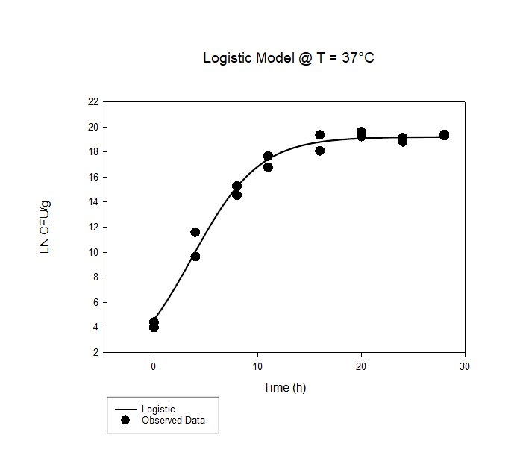
T=37°C

 | T = 30C | Time [h] | CFU/g |  | CFU/g | Ln CFU/g | Predicted | Predicted log CFU/g | Log(Bf) | Log(Af) | SSE | SST | SSR |  | Coefficient | Std. Error | t | P
 |  | 0 | 2.052378754 | 0.097292 | 112.81809289 | 4.7257767241 | 4.9610908107 | 2.1545743633 | -0.0026379972185 | 0.0026379972185 | 0.010443942559 | 10.212901344 | 10.202457401
 |  | 6 | 4.771924773 | 0.190897 | 59145.917477 | 10.987762847 | 10.685699265 | 4.640740226 | 0.001513291244 | 0.001513291244 | 0.017209385368 | 0.5184205979 | 0.50121121253 | a | 14.663 | 2.30E-01 | 6.37E+01 | <0.0001
 |  | 12 | 5.263855745 | 0.141969 | 183592.84212 | 12.12047577 | 13.692962849 | 5.9467782062 | -0.0066222202677 | 0.0066222202677 | 0.46638308797 | 0.82407710509 | 0.35769401712 | b | 1.9556 | 3.19E-01 | 6.13E+00 | <0.0001
 |  | 18 | 5.833334997 | 0.383522 | 681294.67891 | 13.431750207 | 14.467924546 | 6.2833397947 | -0.0040342035746 | 0.0040342035746 | 0.20250431798 | 1.0760503575 | 0.87354603948 | c | 0.2765 | 0.0374 | 7.3865 | <0.0001
 |  | 24 | 6.199584975 | 0.29651 | 1583379.3438 | 14.275071946 | 14.625467146 | 6.3517596766 | -0.001316430103 | 0.001316430103 | 0.023157139814 | 1.0292799452 | 1.0061228053
 |  | 30 | 6.012722793 | 0.425791 | 1029728.6424 | 13.844805871 | 14.655841565 | 6.3649511195 | -0.0030904863659 | 0.0030904863659 | 0.12406479398 | 1.1568251446 | 1.0327603506
 |  | 36 | 6.247540298 | 0.295104 | 1768236.284 | 14.385493158 | 14.661637002 | 6.3674680456 | -0.0010322135107 | 0.0010322135107 | 0.014382664653 | 1.0522649934 | 1.0378823287
 |  | 42 | 6.408281231 | 0.306773 | 2560243.257 | 14.755612834 | 14.662740562 | 6.3679473157 | 0.00034276263475 | 0.00034276263475 | 0.0016268247223 | 1.0404859104 | 1.0388590857
 |  | 48 | 6.770443368 | 0.189407 | 5894451.0841 | 15.589521972 | 14.662950621 | 6.368038543 | 0.0033264283013 | 0.0033264283013 | 0.1619296432 | 1.200974703 | 1.0390450598
 |  | 0 | 2.003103844 | 0.182859 | 100.71724647 | 4.6123170509 | 4.9610908107 | 2.1545743633 | -0.0039572529514 | 0.0039572529514 | 0.022943318215 | 10.225400719 | 10.202457401
 |  | 6 | 5.032047069 | 0.232068 | 107658.18877 | 11.586716568 | 10.685699265 | 4.640740226 | 0.0043946795144 | 0.0043946795144 | 0.15312104537 | 0.6543322579 | 0.50121121253
 |  | 12 | 6.039200021 | 0.257695 | 1094460.3207 | 13.905771942 | 13.692962849 | 5.9467782062 | 0.00083720909039 | 0.00083720909039 | 0.0085417918568 | 0.36623580898 | 0.35769401712
 |  | 18 | 5.963925753 | 0.186893 | 920292.22511 | 13.732446535 | 14.467924546 | 6.2833397947 | -0.0028322897867 | 0.0028322897867 | 0.10202533006 | 0.97557136953 | 0.87354603948
 |  | 24 | 6.550725671 | 0.194584 | 3554067.4934 | 15.083603278 | 14.625467146 | 6.3517596766 | 0.0016744193367 | 0.0016744193367 | 0.039587466919 | 1.0457102723 | 1.0061228053
 |  | 30 | 6.413805745 | 0.559651 | 2593019.2746 | 14.768333498 | 14.655841565 | 6.3649511195 | 0.0004150911914 | 0.0004150911914 | 0.0023867744334 | 1.0351471251 | 1.0327603506
 |  | 36 | 6.684245949 | 0.213763 | 4833324.4465 | 15.39104508 | 14.661637002 | 6.3674680456 | 0.0026357059168 | 0.0026357059168 | 0.10034824006 | 1.1382305688 | 1.0378823287
 |  | 42 | 6.499017318 | 0.421079 | 3155130.4354 | 14.964540396 | 14.662740562 | 6.3679473157 | 0.0011060290707 | 0.0011060290707 | 0.017179345499 | 1.0560384312 | 1.0388590857
 |  | 48 | 6.868792811 | 0.464172 | 7392525.155 | 15.815979933 | 14.662950621 | 6.368038543 | 0.0041093416576 | 0.0041093416576 | 0.25075483694 | 1.2897998967 | 1.0390450598
 |  |  | 5.3487029458 |  |  |  |  |  | -0.0051681358206 | 0.045878051736 | 0.095477219422 | 35.897746551 | 34.179156601
 |  |  |  |  |  |  |  | Bias | 0.98817045333 | 1.111419601
N | 8 |  |  |  |  |  |  |  |  |  | 0.80064423336 |  | SE
 |  |  |  |  |  |  |  |  |  |  | 0.95212540856 |  | R Squared
 |  |  |  |  |  |  |  |  |  |  | 1.7850536923 |  | %SEP
 |  |  |  |  |  |  |  |  |  |  | 0.3089938825 |  | RMSE

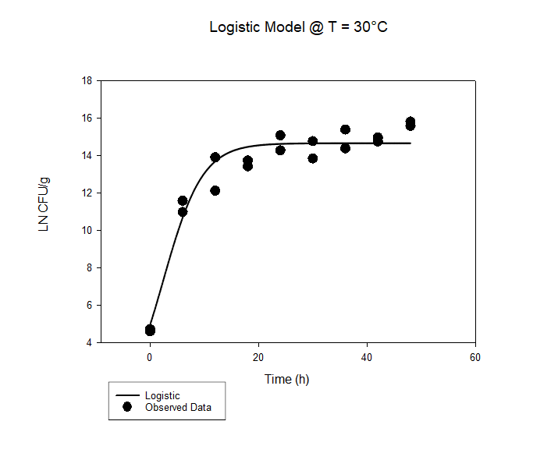
30°C

 | T = 20C | Time [h] | Log CFU/g |  | CFU/g | Ln CFU/g | Predicted | Predicted log CFU/g | Log(Bf) | Log(Af) | SSE | SST | SSR |  | Coefficient | Std. Error | t | P
 |  | 0 | 2.11 | 0.14 | 128.82495517 | 4.8584545462 | 5.6184082821 | 2.440043714 | -0.0078893939508 | 0.0078893939508 | 0.10892885315 | 3.3627862681 | 3.253857415
 |  | 12 | 3.91 | 0.14 | 8128.3051616 | 9.0031077136 | 9.5132809588 | 4.1315654252 | -0.0029922346248 | 0.0029922346248 | 0.049091237639 | 0.061707798136 | 0.012616560498 | a | 10.4199 | 2.23E-01 | 4.68E+01 | <0.0001
 |  | 24 | 4.3 | 0.09 | 19952.62315 | 9.9011158999 | 10.310328242 | 4.4777186622 | -0.002198543441 | 0.002198543441 | 0.031583922877 | 0.086260285741 | 0.054676362864 | b | 0.8546 | 1.90E-01 | 4.49E+00 | 0.0004
 |  | 36 | 4.13 | 0.46 | 13489.628826 | 9.5096764341 | 10.407565915 | 4.519948447 | -0.0048979287208 | 0.0048979287208 | 0.15205979131 | 0.22826867093 | 0.076208879619 | c | 0.1828 | 0.0619 | 2.953 | 0.0099
 |  | 48 | 4.03 | 0.25 | 10715.193052 | 9.2794179248 | 10.418523122 | 4.5247071013 | -0.0062856781312 | 0.0062856781312 | 0.24473511612 | 0.32359398457 | 0.078858868449
 |  | 60 | 4.17 | 0.35 | 14791.083882 | 9.6017798378 | 10.41974644 | 4.5252383817 | -0.0044381758813 | 0.0044381758813 | 0.12619430784 | 0.20535184496 | 0.079157537113
 |  | 72 | 4.1 | 0.38 | 12589.254118 | 9.4405988813 | 10.419882876 | 4.5252976349 | -0.0053579114871 | 0.0053579114871 | 0.18087807829 | 0.26006896065 | 0.079190882359
 |  | 84 | 4.54 | 0.58 | 34673.685045 | 10.453736322 | 10.41989809 | 4.5253042426 | 0.00017600876227 | 0.00017600876227 | 0.00021596528424 | 0.079410566614 | 0.07919460133
 |  | 96 | 4.28 | 0.2 | 19054.60718 | 9.855064198 | 10.419899787 | 4.5253049795 | -0.0030255105577 | 0.0030255105577 | 0.060174532968 | 0.13936954902 | 0.079195016055
 |  | 0 | 2.77 | 0.14 | 588.84365536 | 6.3781607076 | 5.6184082821 | 2.440043714 | 0.0068852702701 | 0.0068852702701 | 0.10887115067 | 3.3627285656 | 3.253857415
 |  | 12 | 4.35 | 0.14 | 22387.211386 | 10.016245155 | 9.5132809588 | 4.1315654252 | 0.00279682782 | 0.00279682782 | 0.047713663473 | 0.060330223971 | 0.012616560498
 |  | 24 | 4.7 | 0.09 | 50118.723363 | 10.822149937 | 10.310328242 | 4.4777186622 | 0.0026301318535 | 0.0026301318535 | 0.049408993156 | 0.10408535602 | 0.054676362864
 |  | 36 | 4.77 | 0.46 | 58884.365536 | 10.983330894 | 10.407565915 | 4.519948447 | 0.0029231122021 | 0.0029231122021 | 0.062525779163 | 0.13873465878 | 0.076208879619
 |  | 48 | 4.7 | 0.25 | 50118.723363 | 10.822149937 | 10.418523122 | 4.5247071013 | 0.0020634233431 | 0.0020634233431 | 0.030727600318 | 0.10958646877 | 0.078858868449
 |  | 60 | 4.81 | 0.35 | 64565.422903 | 11.075434297 | 10.41974644 | 4.5252383817 | 0.0033129517937 | 0.0033129517937 | 0.081089179249 | 0.16024671636 | 0.079157537113
 |  | 72 | 4.81 | 0.38 | 64565.422903 | 11.075434297 | 10.419882876 | 4.5252976349 | 0.0033122409697 | 0.0033122409697 | 0.081055436665 | 0.16024631902 | 0.079190882359
 |  | 84 | 4.84 | 0.58 | 69183.097092 | 11.14451185 | 10.41989809 | 4.5253042426 | 0.0036496973607 | 0.0036496973607 | 0.099033419697 | 0.17822802103 | 0.07919460133
 |  | 96 | 5.07 | 0.2 | 117489.75549 | 11.674106421 | 10.419899787 | 4.5253049795 | 0.0061700132323 | 0.0061700132323 | 0.29669266536 | 0.37588768141 | 0.079195016055
 |  |  | 4.2438888889 |  |  |  |  |  | -0.0031656991874 | 0.046741275534 | 0.10060998296 | 9.3968919398 | 7.5859122465
 |  |  |  |  |  |  |  | Bias | 0.9927372107 | 1.1136309069
N | 13 |  |  |  |  |  |  |  |  |  | 0.2454312262 |  | SE
 |  |  |  |  |  |  |  |  |  |  | 0.8072788636 |  | R Squared
 |  |  |  |  |  |  |  |  |  |  | 2.37070257 |  | %SEP
 |  |  |  |  |  |  |  |  |  |  | 0.31719076745 |  | RMSE

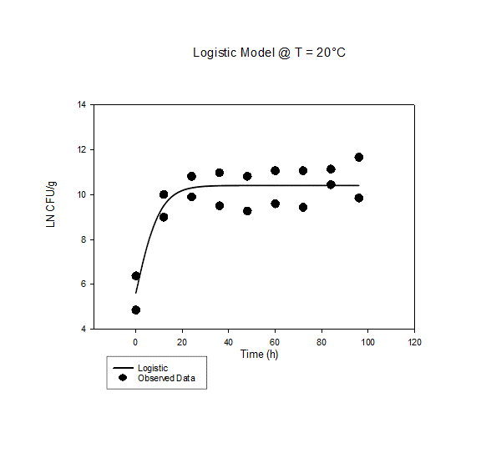

15°C

 | T = 10C | Time [h] | Log CFU/g |  | CFU/g | Ln CFU/g | Predicted | Predicted log CFU/g | Log(Bf) | Log(Af) | SSE | SST | SSR |  | Coefficient | Std. Error | t | P
 |  | 0 | 2.347910176 | 0.473838 | 222.79742955 | 5.4062629709 | 5.4596058046 | 2.3710766743 | -0.0005330150057 | 0.0005330150057 | 0.00053668664441 | 3.5079622777 | 3.507425591
 |  | 2 | 3.369037589 | 0.138686 | 2339.0396782 | 7.7574957302 | 7.2368533538 | 3.1429254779 | 0.0037714716201 | 0.0037714716201 | 0.051126686792 | 1.2632471192 | 1.2121204324 | a | 10.0828 | 2.29E-01 | 4.41E+01 | <0.0001
 |  | 4 | 3.616620517 | 0.365929 | 4136.3808326 | 8.3275764895 | 8.5257404536 | 3.7026820332 | -0.0012766846268 | 0.0012766846268 | 0.0074065845632 | 0.30031144525 | 0.29290486069 | b | 0.8468 | 1.04E-01 | 8.12E+00 | <0.0001
 |  | 6 | 4.020680994 | 0.409722 | 10487.717824 | 9.2579601205 | 9.2944937226 | 4.0365473358 | -0.00021380409373 | 0.00021380409373 | 0.00025174080251 | 0.043242260435 | 0.042990519632 | c | 0.3835 | 0.0685 | 5.5982 | <0.0001
 |  | 8 | 4.551789048 | 0.226457 | 35627.80347 | 10.480881608 | 9.7007072668 | 4.2129636365 | 0.0041993019917 | 0.0041993019917 | 0.11480265946 | 0.11575903069 | 0.00095637123347
 |  | 10 | 4.567592836 | 0.343933 | 36948.161734 | 10.517271175 | 9.9016783665 | 4.3002442761 | 0.0032742820829 | 0.0032742820829 | 0.071475252459 | 0.074651182131 | 0.0031759296723
 |  | 12 | 4.550803927 | 0.376068 | 35547.079624 | 10.478613283 | 9.9978692234 | 4.3420194345 | 0.0025495451488 | 0.0025495451488 | 0.043590964305 | 0.053220568289 | 0.0096296039835
 |  | 14 | 4.259865428 | 0.753274 | 18191.370871 | 9.8087026327 | 10.043179041 | 4.3616972384 | -0.0012824545783 | 0.0012824545783 | 0.010369717601 | 0.024248524805 | 0.013878807205
 |  | 0 | 2.325257499 | 0.286721 | 211.47425273 | 5.3541032546 | 5.4596058046 | 2.3710766743 | -0.0010593180597 | 0.0010593180597 | 0.002099396827 | 3.5095249879 | 3.507425591
 |  | 2 | 3.20070027 | 0.108766 | 1587.4507852 | 7.3698847288 | 7.2368533538 | 3.1429254779 | 0.00098886536617 | 0.00098886536617 | 0.0033379266036 | 1.215458359 | 1.2121204324
 |  | 4 | 3.451307909 | 0.286946 | 2826.8834873 | 7.9469301426 | 8.5257404536 | 3.7026820332 | -0.0038165890067 | 0.0038165890067 | 0.063188950296 | 0.35609381099 | 0.29290486069
 |  | 6 | 3.849039371 | 0.276502 | 7063.8158844 | 8.862740678 | 9.2944937226 | 4.0365473358 | -0.0025822120393 | 0.0025822120393 | 0.035159236868 | 0.0781497565 | 0.042990519632
 |  | 8 | 4.2713048 | 0.216478 | 18676.90028 | 9.8350427601 | 9.7007072668 | 4.2129636365 | 0.00074660664379 | 0.00074660664379 | 0.0034036913551 | 0.0043600625885 | 0.00095637123347
 |  | 10 | 4.274609011 | 0.329872 | 18819.540308 | 9.8426509871 | 9.9016783665 | 4.3002442761 | -0.0003245911909 | 0.0003245911909 | 0.00065716681883 | 0.0038330964911 | 0.0031759296723
 |  | 12 | 4.303498904 | 0.330364 | 20114.021222 | 9.9091724241 | 9.9978692234 | 4.3420194345 | -0.00048375828633 | 0.00048375828633 | 0.0014838312706 | 0.011113435254 | 0.0096296039835
 |  | 14 | 3.979271298 | 0.801239 | 9533.9154909 | 9.1626107718 | 10.043179041 | 4.3616972384 | -0.0049814958613 | 0.0049814958613 | 0.14624959986 | 0.16012840706 | 0.013878807205
 |  |  | 3.8087055986 |  |  |  |  |  | -0.0010238498953 | 0.022089718264 | 0.034696255783 | 10.721304324 | 10.166164232
 |  |  |  |  |  |  |  | Bias | 0.99764527522 | 1.0521792147
 | 13 |  |  |  |  |  |  |  |  |  | 0.26215703265 |  | SE
 |  |  |  |  |  |  |  |  |  |  | 0.94822084368 |  | R Squared
 |  |  |  |  |  |  |  |  |  |  | 0.91097237328 |  | %SEP
 |  |  |  |  |  |  |  |  |  |  | 0.18626930982 |  | RMSE

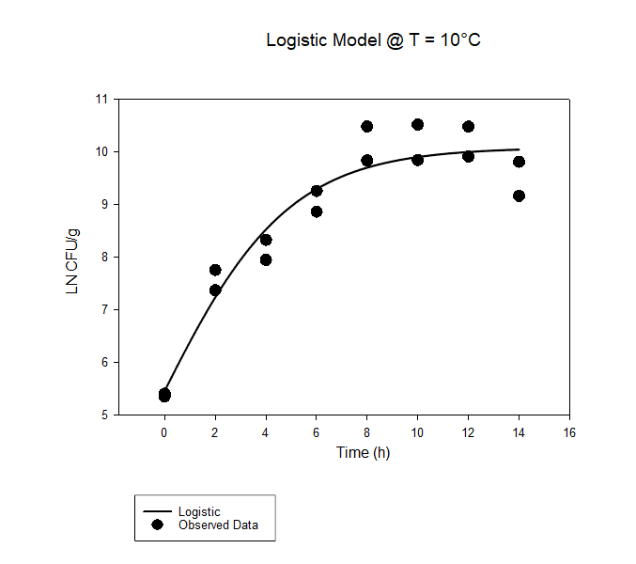
15°C

Gompertz Leg 4 Variables
 | T = 37C | Time [h] | Log CFU/g |  | CFU/g | Actual Ln CFU/g | Predicted Ln CFU/g | Predicted log CFU/g | Log(Bf) | Log(Af) | SSE | SST | SSR |  | Coefficient | Std. Error | t | P
 |  | 0 | 1.731069822 | 0.104711 | 53.83563277 | 3.9859355671 | 4.2197608648 | 1.8326188585 | -0.0030946957536 | 0.0030946957536 | 0.010312206819 | 43.297038548 | 43.286726341
 |  | 4 | 4.190105621 | 0.219515 | 15491.93339 | 9.648074741 | 10.527290659 | 4.5719442427 | -0.0047344943546 | 0.0047344943546 | 0.14580073306 | 14.890936053 | 14.74513532 | a | 19.7669 | 4.4946 | 4.3979 | 0.0009
 |  | 8 | 6.320436802 | 0.709385 | 2091398.5472 | 14.553343561 | 15.151254664 | 6.5801062944 | -0.0021857270058 | 0.0021857270058 | 0.067428245306 | 3.4228368444 | 3.3554085991 | b | 4.4606 | 0.7462 | 5.9777 | <0.0001
 |  | 11 | 7.28656346 | 0.785879 | 19344765.076 | 16.777932402 | 17.119249534 | 7.4347956069 | -0.0010932852554 | 0.0010932852554 | 0.021972769361 | 0.97667398343 | 0.95470121407 | x0 | 1.7158 | 1.843 | 0.931 | 0.3702
 |  | 16 | 7.857717048 | 0.33977 | 72063781.549 | 18.09306214 | 18.649939425 | 8.0995657801 | -0.0016456688504 | 0.0016456688504 | 0.058490809224 | 0.15603331542 | 0.097542506195 | y0 | -0.3292 | 4.3371 | -0.0759 | 0.9407
 |  | 20 | 8.354396914 | 0.355642 | 226150167.63 | 19.236709795 | 19.112501313 | 8.3004538557 | 0.00035165812672 | 0.00035165812672 | 0.002909853542 | 0.015326471995 | 0.012416618453
 |  | 24 | 8.171361611 | 0.243304 | 148375300.32 | 18.815255435 | 19.304400632 | 8.383794671 | -0.0013932754286 | 0.0013932754286 | 0.045127804966 | 0.045916800597 | 0.00078899563073
 |  | 28 | 8.38320133 | 0.386022 | 241658085.21 | 19.303034414 | 19.383218633 | 8.4180248939 | -0.0002250386832 | 0.0002250386832 | 0.0012126806032 | 0.0012503944113 | 3.7713808155E-05
 |  | 0 | 1.920310309 | 0.215425 | 83.23582894 | 4.4216778914 | 4.2197608648 | 1.8326188585 | 0.002537407755 | 0.002537407755 | 0.0076897904868 | 43.294416132 | 43.286726341
 |  | 4 | 5.039337134 | 0.095813 | 109480.59121 | 11.603502563 | 10.527290659 | 4.5719442427 | 0.0052840610655 | 0.0052840610655 | 0.2184561148 | 14.963591434 | 14.74513532
 |  | 8 | 6.635533607 | 0.421357 | 4320495.9961 | 15.278880768 | 15.151254664 | 6.5801062944 | 0.00045536798282 | 0.00045536798282 | 0.0030721869773 | 3.358480786 | 3.3554085991
 |  | 11 | 7.676954472 | 0.415334 | 47528539.817 | 17.676840927 | 17.119249534 | 7.4347956069 | 0.0017399914243 | 0.0017399914243 | 0.058640915968 | 1.01334213 | 0.95470121407
 |  | 16 | 8.411883737 | 0.418797 | 258156899.8 | 19.369078097 | 18.649939425 | 8.0995657801 | 0.0020539405864 | 0.0020539405864 | 0.097542506195 | 0.19508501239 | 0.097542506195
 |  | 20 | 8.522367473 | 0.215515 | 332941148.25 | 19.6234763 | 19.112501313 | 8.3004538557 | 0.0014323021127 | 0.0014323021127 | 0.049245653556 | 0.06166227201 | 0.012416618453
 |  | 24 | 8.311998224 | 0.199145 | 205115379.08 | 19.139083204 | 19.304400632 | 8.383794671 | -0.00046689895379 | 0.00046689895379 | 0.0051547297968 | 0.0059437254275 | 0.00078899563073
 |  | 28 | 8.429326069 | 0.24004 | 268736136.37 | 19.40924055 | 19.383218633 | 8.4180248939 | 7.2831015525E-05 | 7.2831015525E-05 | 0.00012771655849 | 0.00016543036664 | 3.7713808155E-05
 |  |  | 6.7026602271 |  |  |  |  |  | -0.00091152421654 | 0.028766644354 | 0.049574044826 | 125.69869933 | 124.90551462
 |  |  |  |  |  |  |  | Bias\Accuracy | 0.997903339 | 1.0684806076
N | 8 |  |  |  |  |  |  |  |  |  | 1.4982054702 |  | %SE
 |  |  |  |  |  |  |  |  |  |  | 0.99368979376 |  | R Squared
 |  |  |  |  |  |  |  |  |  |  | 0.73961745257 |  | %SEP
 |  |  |  |  |  |  |  |  |  |  | 0.2226522958 |  | RMSE

T=5°C

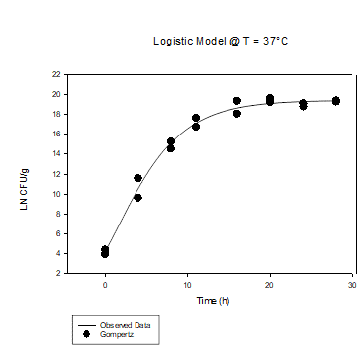

 | T = 30C | Time [h] | Log CFU/g |  | CFU/g | Actual Ln CFU/g | Predicted Ln CFU/g | Predicted log CFU/g | Log(Bf) | Log(Af) | SSE | SST | SSR |  | Coefficient | Std. Error | t | P
 |  | 0 | 2.052378754 | 0.097292 | 112.81809289 | 4.7257767241 | 4.8009451085 | 2.0850239685 | -0.00085669269569 | 0.00085669269569 | 0.001065710033 | 10.652666176 | 10.651600466
 |  | 6 | 4.771924773 | 0.190897 | 59145.917477 | 10.987762847 | 10.779962401 | 4.681678186 | 0.0010365039012 | 0.0010365039012 | 0.008144446463 | 0.45306647657 | 0.4449220301 | a | 6367.1424 | 5052733.6219 | 0.0013 | 0.999
 |  | 12 | 5.263855745 | 0.141969 | 183592.84212 | 12.12047577 | 13.216241587 | 5.7397407926 | -0.0046985376297 | 0.0046985376297 | 0.22646657849 | 0.37937717613 | 0.15291059764 | b | 6.6782 | 2.655 | 2.5153 | 0.0247
 |  | 18 | 5.833334997 | 0.383522 | 681294.67891 | 13.431750207 | 14.20856679 | 6.1707021527 | -0.0030522083221 | 0.0030522083221 | 0.11381659774 | 0.78949929396 | 0.67568269622 | x0 | -43.0519 | 5319.9564 | -0.0081 | 0.9937
 |  | 24 | 6.199584975 | 0.29651 | 1583379.3438 | 14.275071946 | 14.612688004 | 6.3462097659 | -0.0012689757485 | 0.0012689757485 | 0.021498829294 | 1.0165186855 | 0.99501985616 | y0 | -6352.2521 | 5052733.4878 | -0.0013 | 0.999
 |  | 30 | 6.012722793 | 0.425791 | 1029728.6424 | 13.844805871 | 14.777254355 | 6.417680024 | -0.0035383597713 | 0.0035383597713 | 0.16399035896 | 1.3067023528 | 1.1427119939
 |  | 36 | 6.247540298 | 0.295104 | 1768236.284 | 14.385493158 | 14.844267335 | 6.4467833916 | -0.0017042515368 | 0.0017042515368 | 0.039697810333 | 1.2454784758 | 1.2057806655
 |  | 42 | 6.408281231 | 0.306773 | 2560243.257 | 14.755612834 | 14.871555363 | 6.4586344313 | -0.00042489259379 | 0.00042489259379 | 0.0025354447824 | 1.2344833474 | 1.2319479027
 |  | 48 | 6.770443368 | 0.189407 | 5894451.0841 | 15.589521972 | 14.882667138 | 6.463460214 | 0.002519003738 | 0.002519003738 | 0.094238656845 | 3.8905928819 | 3.796354225
 |  | 0 | 2.003103844 | 0.182859 | 100.71724647 | 4.6123170509 | 4.8009451085 | 2.0850239685 | -0.0021759484286 | 0.0021759484286 | 0.0067109068062 | 40.035865436 | 40.02915453
 |  | 6 | 5.032047069 | 0.232068 | 107658.18877 | 11.586716568 | 10.779962401 | 4.681678186 | 0.0039178921716 | 0.0039178921716 | 0.12275835417 | 14.037191807 | 13.914433453
 |  | 12 | 6.039200021 | 0.257695 | 1094460.3207 | 13.905771942 | 13.216241587 | 5.7397407926 | 0.0027608917285 | 0.0027608917285 | 0.089675829496 | 7.230023745 | 7.1403479155
 |  | 18 | 5.963925753 | 0.186893 | 920292.22511 | 13.732446535 | 14.20856679 | 6.1707021527 | -0.0018502945343 | 0.0018502945343 | 0.042756479471 | 5.0656513733 | 5.0228948938
 |  | 24 | 6.550725671 | 0.194584 | 3554067.4934 | 15.083603278 | 14.612688004 | 6.3462097659 | 0.0017218736912 | 0.0017218736912 | 0.041826755457 | 4.3088357105 | 4.2670089551
 |  | 30 | 6.413805745 | 0.559651 | 2593019.2746 | 14.768333498 | 14.777254355 | 6.417680024 | -3.2782214061E-05 | 3.2782214061E-05 | 1.501003796E-05 | 3.9768634589 | 3.9768484488
 |  | 36 | 6.684245949 | 0.213763 | 4833324.4465 | 15.39104508 | 14.844267335 | 6.4467833916 | 0.0019636678907 | 0.0019636678907 | 0.056388466184 | 3.9180078338 | 3.8616193676
 |  | 42 | 6.499017318 | 0.421079 | 3155130.4354 | 14.964540396 | 14.871555363 | 6.4586344313 | 0.00033837384214 | 0.00033837384214 | 0.0016307775367 | 3.8168136277 | 3.8151828501
 |  | 48 | 6.868792811 | 0.464172 | 7392525.155 | 15.815979933 | 14.882667138 | 6.463460214 | 0.0033019170944 | 0.0033019170944 | 0.1642945142 | 3.9606487392 | 3.796354225
 |  |  | 5.3487029458 |  |  |  |  |  | -0.0020428194173 | 0.037163067532 | 0.066528418128 | 107.3182866 | 106.12077507
 |  |  |  |  |  |  |  | Bias\Accuracy | 0.99530727984 | 1.0893390382
N | 8 |  |  |  |  |  |  |  |  |  | 1.384340267 |  | SE
 |  |  |  |  |  |  |  |  |  |  | 0.98884149604 |  | R Squared
 |  |  |  |  |  |  |  |  |  |  | 1.2438233868 |  | %SEP
 |  |  |  |  |  |  |  |  |  |  | 0.25793103367 |  | RMSE
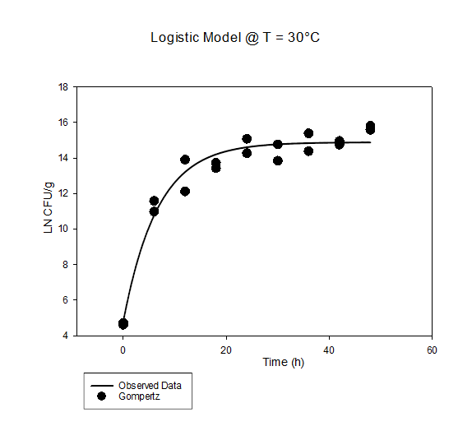
30°C

 | T = 20C | Time [h] | Log CFU/g |  | CFU/g | Actual Ln CFU/g | Predicted Ln CFU/g | Predicted log CFU/g | Log(Bf) | Log(Af) | SSE | SST | SSR |  | Coefficient | Std. Error | t | P
 |  | 0 | 2.11 | 0.14 | 128.82495517 | 4.8584545462 | 5.618841262 | 2.4402317548 | -0.0078935773761 | 0.0078935773761 | 0.10905301186 | 3.3622320693 | 3.2531790574
 |  | 12 | 3.91 | 0.14 | 8128.3051616 | 9.0031077136 | 9.5209414557 | 4.1348923367 | -0.0030359310737 | 0.0030359310737 | 0.050576563112 | 0.062456811499 | 0.011880248386 | a | 71.6417 | 11362.3495 | 0.0063 | 0.9951
 |  | 24 | 4.3 | 0.09 | 19952.62315 | 9.9011158999 | 10.262601612 | 4.4569912503 | -0.0019466657404 | 0.0019466657404 | 0.024646252661 | 0.070058869088 | 0.045412616426 | b | 7.0845 | 19.051 | 0.3719 | 0.7156
 |  | 36 | 4.13 | 0.46 | 13489.628826 | 9.5096764341 | 10.399771774 | 4.5165634945 | -0.0048572585411 | 0.0048572585411 | 0.14943133527 | 0.22378277581 | 0.07435144054 | x0 | -18.8875 | 1213.6221 | -0.0156 | 0.9878
 |  | 48 | 4.03 | 0.25 | 10715.193052 | 9.2794179248 | 10.425014001 | 4.5275260545 | -0.0063194890108 | 0.0063194890108 | 0.24753217496 | 0.3279822167 | 0.080450041744 | y0 | -61.211 | 11362.2405 | -0.0054 | 0.9958
 |  | 60 | 4.17 | 0.35 | 14791.083882 | 9.6017798378 | 10.429654808 | 4.5295415313 | -0.0044897738849 | 0.0044897738849 | 0.12927011274 | 0.21086754486 | 0.081597432124
 |  | 72 | 4.1 | 0.38 | 12589.254118 | 9.4405988813 | 10.430507879 | 4.5299120155 | -0.0054132387588 | 0.0054132387588 | 0.18482434106 | 0.26663357001 | 0.081809228951
 |  | 84 | 4.54 | 0.58 | 34673.685045 | 10.453736322 | 10.430664686 | 4.5299801156 | 0.00011994464734 | 0.00011994464734 | 0.00010039808298 | 0.081948588096 | 0.081848190013
 |  | 96 | 4.28 | 0.2 | 19054.60718 | 9.855064198 | 10.430693509 | 4.5299926333 | -0.0030817158435 | 0.0030817158435 | 0.062496316703 | 0.14435166927 | 0.081855352564
 |  | 0 | 2.77 | 0.14 | 588.84365536 | 6.3781607076 | 5.618841262 | 2.4402317548 | 0.0068810868448 | 0.0068810868448 | 0.10874709556 | 3.361926153 | 3.2531790574
 |  | 12 | 4.35 | 0.14 | 22387.211386 | 10.016245155 | 9.5209414557 | 4.1348923367 | 0.0027531313712 | 0.0027531313712 | 0.046271306805 | 0.058151555191 | 0.011880248386
 |  | 24 | 4.7 | 0.09 | 50118.723363 | 10.822149937 | 10.262601612 | 4.4569912503 | 0.0028820095541 | 0.0028820095541 | 0.059053252445 | 0.10446586887 | 0.045412616426
 |  | 36 | 4.77 | 0.46 | 58884.365536 | 10.983330894 | 10.399771774 | 4.5165634945 | 0.0029637823819 | 0.0029637823819 | 0.064230062325 | 0.13858150286 | 0.07435144054
 |  | 48 | 4.7 | 0.25 | 50118.723363 | 10.822149937 | 10.425014001 | 4.5275260545 | 0.0020296124636 | 0.0020296124636 | 0.029747261859 | 0.1101973036 | 0.080450041744
 |  | 60 | 4.81 | 0.35 | 64565.422903 | 11.075434297 | 10.429654808 | 4.5295415313 | 0.0032613537901 | 0.0032613537901 | 0.078656952658 | 0.16025438478 | 0.081597432124
 |  | 72 | 4.81 | 0.38 | 64565.422903 | 11.075434297 | 10.430507879 | 4.5299120155 | 0.0032569136979 | 0.0032569136979 | 0.078449279067 | 0.16025850802 | 0.081809228951
 |  | 84 | 4.84 | 0.58 | 69183.097092 | 11.14451185 | 10.430664686 | 4.5299801156 | 0.0035936332458 | 0.0035936332458 | 0.096112328711 | 0.17796051872 | 0.081848190013
 |  | 96 | 5.07 | 0.2 | 117489.75549 | 11.674106421 | 10.430693509 | 4.5299926333 | 0.0061138079466 | 0.0061138079466 | 0.29160795609 | 0.37346330866 | 0.081855352564
 |  |  | 4.2438888889 |  |  |  |  |  | 0.020870547456 | 0.04684000443 | 0.10060033344 | 9.3955732183 | 7.5847672164
 |  |  |  |  |  |  |  | Bias\Accuracy | 1.0492296324 | 1.1138840993
N | 13 |  |  |  |  |  |  |  |  |  | 0.24541400419 |  | %SE
 |  |  |  |  |  |  |  |  |  |  | 0.80727030061 |  | R Squared
 |  |  |  |  |  |  |  |  |  |  | 2.3704751957 |  | %SEP
 |  |  |  |  |  |  |  |  |  |  | 0.31717555619 |  | RMSE

15°C
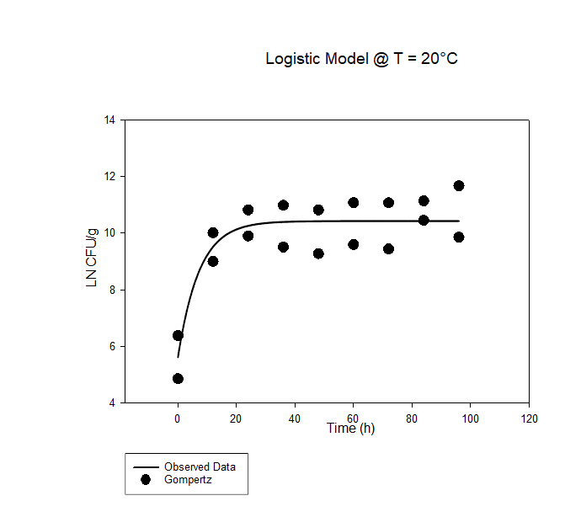

 | T = 10C | Time [h] | Log CFU/g |  | CFU/g | Actual Ln CFU/g | Predicted Ln CFU/g | Predicted log CFU/g | Log(Bf) | Log(Af) | SSE | SST | SSR |  | Coefficient | Std. Error | t | P
 |  | 0 | 2.347910176 | 0.473838 | 222.79742955 | 5.4062629709 | 5.4346101998 | 2.3602212211 | -0.00028390409467 | 0.00028390409467 | 0.00015156183079 | 3.5483554446 | 3.5482038828
 |  | 2 | 3.369037589 | 0.138686 | 2339.0396782 | 7.7574957302 | 7.2757307508 | 3.1598097169 | 0.0034806157798 | 0.0034806157798 | 0.043776302474 | 1.2190039537 | 1.1752276512 | a | 8.0798 | 12.1806 | 0.6633 | 0.5197
 |  | 4 | 3.616620517 | 0.365929 | 4136.3808326 | 8.3275764895 | 8.5400915397 | 3.7089146306 | -0.0013679869281 | 0.0013679869281 | 0.0085182034095 | 0.29471566042 | 0.28619745701 | b | 2.8824 | 1.7002 | 1.6953 | 0.1158
 |  | 6 | 4.020680994 | 0.409722 | 10487.717824 | 9.2579601205 | 9.2817019742 | 4.0309919501 | -0.00013903923473 | 0.00013903923473 | 0.00010631581533 | 0.045431422368 | 0.045325106553 | x0 | -0.4238 | 6.8068 | -0.0623 | 0.9514
 |  | 8 | 4.551789048 | 0.226457 | 35627.80347 | 10.480881608 | 9.683298591 | 4.2054031447 | 0.0042968114272 | 0.0042968114272 | 0.11998319401 | 0.12146434652 | 0.0014811525065 | y0 | 2.0267 | 11.9532 | 0.1696 | 0.8682
 |  | 10 | 4.567592836 | 0.343933 | 36948.161734 | 10.517271175 | 9.8922055538 | 4.2961302859 | 0.0033262424587 | 0.0033262424587 | 0.073691916123 | 0.076421079682 | 0.0027291635585
 |  | 12 | 4.550803927 | 0.376068 | 35547.079624 | 10.478613283 | 9.9987097639 | 4.3423844766 | 0.0025449813417 | 0.0025449813417 | 0.043438667297 | 0.053140048099 | 0.0097013808024
 |  | 14 | 4.259865428 | 0.753274 | 18191.370871 | 9.8087026327 | 10.052462662 | 4.3657290636 | -0.0013326125376 | 0.0013326125376 | 0.01120710934 | 0.026052137511 | 0.014845028171
 |  | 0 | 2.325257499 | 0.286721 | 211.47425273 | 5.3541032546 | 5.4346101998 | 2.3602212211 | -0.00081020714869 | 0.00081020714869 | 0.0012224618612 | 3.5494263446 | 3.5482038828
 |  | 2 | 3.20070027 | 0.108766 | 1587.4507852 | 7.3698847288 | 7.2757307508 | 3.1598097169 | 0.00069800952593 | 0.00069800952593 | 0.001672037335 | 1.1768996885 | 1.1752276512
 |  | 4 | 3.451307909 | 0.286946 | 2826.8834873 | 7.9469301426 | 8.5400915397 | 3.7089146306 | -0.0039078913079 | 0.0039078913079 | 0.066361223025 | 0.35255868003 | 0.28619745701
 |  | 6 | 3.849039371 | 0.276502 | 7063.8158844 | 8.862740678 | 9.2817019742 | 4.0309919501 | -0.0025074471803 | 0.0025074471803 | 0.033106741035 | 0.078431847588 | 0.045325106553
 |  | 8 | 4.2713048 | 0.216478 | 18676.90028 | 9.8350427601 | 9.683298591 | 4.2054031447 | 0.00084411607924 | 0.00084411607924 | 0.0043430281725 | 0.005824180679 | 0.0014811525065
 |  | 10 | 4.274609011 | 0.329872 | 18819.540308 | 9.8426509871 | 9.8922055538 | 4.2961302859 | -0.00027263081514 | 0.00027263081514 | 0.00046316527201 | 0.0031923288305 | 0.0027291635585
 |  | 12 | 4.303498904 | 0.330364 | 20114.021222 | 9.9091724241 | 9.9987097639 | 4.3423844766 | -0.00048832209337 | 0.00048832209337 | 0.0015120877579 | 0.01121346856 | 0.0097013808024
 |  | 14 | 3.979271298 | 0.801239 | 9533.9154909 | 9.1626107718 | 10.052462662 | 4.3657290636 | -0.0050316538206 | 0.0050316538206 | 0.14934960458 | 0.16419463275 | 0.014845028171
 |  |  | 3.8087055986 |  |  |  |  |  | -0.00095091854853 | 0.031332471774 | 0.034931476209 | 10.726325264 | 10.167421645
 |  |  |  |  |  |  |  | Bias\Accuracy | 0.99781282449 | 1.0748119139
N | 13 |  |  |  |  |  |  |  |  |  | 0.26221841142 |  | %SE
 |  |  |  |  |  |  |  |  |  |  | 0.94789421302 |  | R Squared
 |  |  |  |  |  |  |  |  |  |  | 0.91714823593 |  | %SEP
 |  |  |  |  |  |  |  |  |  |  | 0.18689964208 |  | RMSE

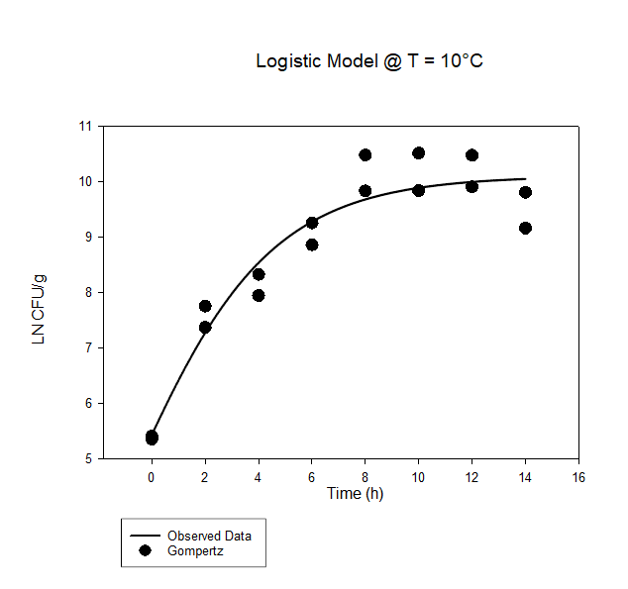
15°C

Baranyi&Roberts ComBase
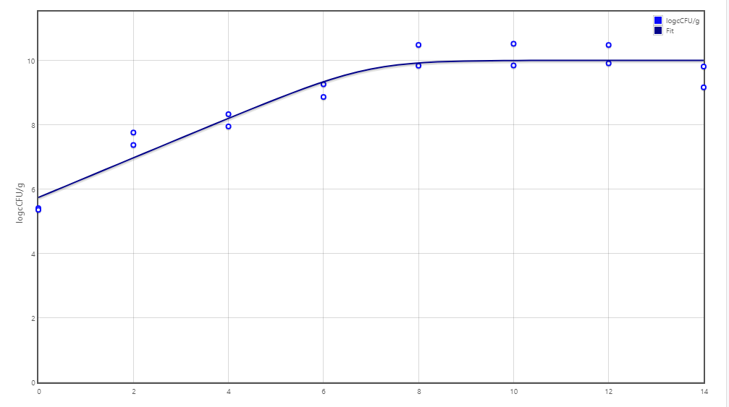
 | T = 37°C | Time [h] | Actual Log CFU/g | Standard Diviation | CFU/g | Actual Ln CFU/g | A(t) | Preducted Ln CFU/g | Predicted log CFU/g | Log(Bf) | Log(Af) | SSE | SST | SSR | Ho | 0
 |  | 0 | 1.731069822 | 0.104711 | 53.83563277 | 3.9859355671 | 0 | 4.715 | 2.0476984822 | -0.0045594639408 | 0.0045594639408 | 0.10025370844 | 21.768922555 | 21.668668846 | Initial value | 4.715
 |  | 4 | 4.190105621 | 0.219515 | 15491.93339 | 9.648074741 | 4 | 9.7989067346 | 4.2556111235 | -0.00042106030801 | 0.00042106030801 | 0.0042909708585 | 5.9923402861 | 5.9880493152
 |  | 8 | 6.320436802 | 0.709385 | 2091398.5472 | 14.553343561 | 8 | 14.867964863 | 6.4570750972 | -0.00058054651247 | 0.00058054651247 | 0.018670023726 | 0.078982079716 | 0.06031205599 | Lag/shoulder | 0
 |  | 11 | 7.28656346 | 0.785879 | 19344765.076 | 16.777932402 | 11 | 18.17360989 | 7.8926984914 | -0.002168922566 | 0.002168922566 | 0.36739967628 | 1.7835907468 | 1.4161910706
 |  | 16 | 7.857717048 | 0.33977 | 72063781.549 | 18.09306214 | 16 | 19.070269823 | 8.2821129524 | -0.0014277976944 | 0.0014277976944 | 0.18011188371 | 2.6747827954 | 2.4946709117 | Maximum Rate | 1.271 | 0.78678206137
 |  | 20 | 8.354396914 | 0.355642 | 226150167.63 | 19.236709795 | 20 | 19.072784306 | 8.2832049785 | 0.00023229349444 | 0.00023229349444 | 0.0050682916851 | 2.5031900029 | 2.4981217112 | Final Value | 19.0728 | Final Value altered to fit model perfectly from ComBase was 15.615
 |  | 24 | 8.171361611 | 0.243304 | 148375300.32 | 18.815255435 | 24 | 19.072799903 | 8.2832117522 | -0.00036902086618 | 0.00036902086618 | 0.012510454091 | 2.5106535778 | 2.4981431237
 |  | 28 | 8.38320133 | 0.386022 | 241658085.21 | 19.303034414 | 28 | 19.072799999 | 8.2832117942 | 0.00032569563969 | 0.00032569563969 | 0.0099979072729 | 2.5081411636 | 2.4981432563
 |  | 0 | 1.920310309 | 0.215425 | 83.23582894 | 4.4216778914 | 0 | 4.715 | 2.0476984822 | -0.0017434121865 | 0.0017434121865 | 0.016227746665 | 21.684896593 | 21.668668846
 |  | 4 | 5.039337134 | 0.095813 | 109480.59121 | 11.603502563 | 4 | 9.7989067346 | 4.2556111235 | 0.004588217402 | 0.004588217402 | 0.61422645953 | 6.6022757747 | 5.9880493152
 |  | 8 | 6.635533607 | 0.421357 | 4320495.9961 | 15.278880768 | 8 | 14.867964863 | 6.4570750972 | 0.00074000098181 | 0.00074000098181 | 0.031847439706 | 0.092159495695 | 0.06031205599
 |  | 11 | 7.676954472 | 0.415334 | 47528539.817 | 17.676840927 | 11 | 18.17360989 | 7.8926984914 | -0.00075228422611 | 0.00075228422611 | 0.046545481903 | 1.4627365525 | 1.4161910706
 |  | 16 | 8.411883737 | 0.418797 | 258156899.8 | 19.369078097 | 16 | 19.070269823 | 8.2821129524 | 0.00042200702396 | 0.00042200702396 | 0.016840456524 | 2.5115113682 | 2.4946709117
 |  | 20 | 8.522367473 | 0.215515 | 332941148.25 | 19.6234763 | 20 | 19.072784306 | 8.2832049785 | 0.00077261548741 | 0.00077261548741 | 0.057198698792 | 2.55532041 | 2.4981217112
 |  | 24 | 8.311998224 | 0.199145 | 205115379.08 | 19.139083204 | 24 | 19.072799903 | 8.2832117522 | 9.4167371226E-05 | 9.4167371226E-05 | 0.00082866095763 | 2.4989717846 | 2.4981431237
 |  | 28 | 8.429326069 | 0.24004 | 268736136.37 | 19.40924055 | 28 | 19.072799999 | 8.2832117942 | 0.00047463048905 | 0.00047463048905 | 0.021349381305 | 2.5194926376 | 2.4981432563
 |  |  | 6.7026602271 |  |  |  |  |  |  | -0.0043728804109 | 0.01967213619 | 0.09396045259 | 79.747967824 | 78.244600582
 |  |  |  |  |  |  |  |  | Bias\Accuracy | 0.98998159271 | 1.0463383331
N | 16 |  |  |  |  |  |  |  |  |  |  | 0.576440109 |  | SE
 |  |  |  |  |  |  |  |  |  |  |  | 0.98114851974 |  | R Squared
 |  |  |  |  |  |  |  |  |  |  |  | 1.4018382166 |  | %SEP
 |  |  |  |  |  |  |  |  |  |  |  | 0.30652969284 |  | RMSE
T=5°C
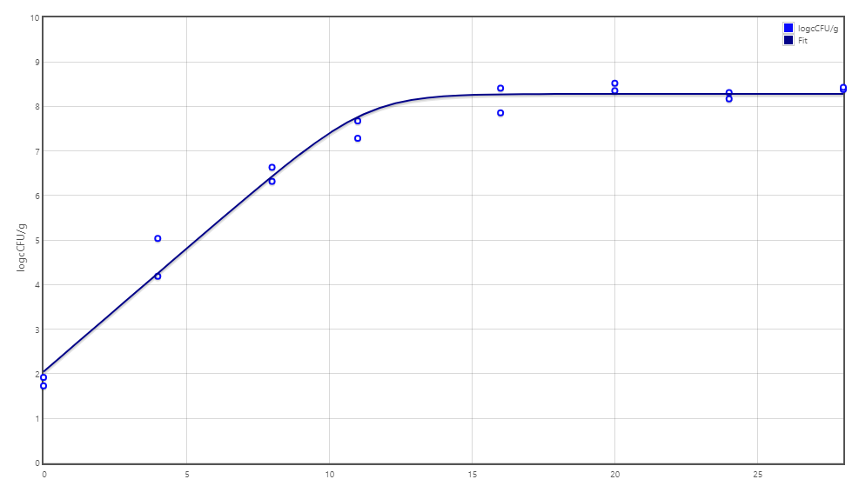

 | T = 30C | Time [h] | Log CFU/g |  | CFU/g | Actual Ln CFU/g | A(t) | Ln CFU/g | Predicted log CFU/g | Log(Bf) | Log(Af) | SSE | SST | SSR | Ho | 0
 |  | 0 | 2.052378754 | 0.097292 | 112.81809289 | 4.7257767241 | 0 | 4.695 | 2.0390125925 | 0.00017735014594 | 0.00017735014594 | 0.00017865427229 | 58.077436893 | 58.077258239 | Initial value | 4.695
 |  | 6 | 4.771924773 | 0.190897 | 59145.917477 | 10.987762847 | 6 | 11.189263018 | 4.8594351852 | -0.00049326283086 | 0.00049326283086 | 0.0076580722436 | 1.2768420375 | 1.2691839653
 |  | 12 | 5.263855745 | 0.141969 | 183592.84212 | 12.12047577 | 12 | 14.412270411 | 6.2591695112 | -0.0047007958931 | 0.0047007958931 | 0.9906494931 | 5.3856545742 | 4.3950050811 | Lag/shoulder | 0
 |  | 18 | 5.833334997 | 0.383522 | 681294.67891 | 13.431750207 | 18 | 14.447947109 | 6.2746637044 | -0.0019795960371 | 0.0019795960371 | 0.19477102801 | 4.7406361053 | 4.5458650773
 |  | 24 | 6.199584975 | 0.29651 | 1583379.3438 | 14.275071946 | 24 | 14.447999923 | 6.2746866411 | -0.00032683905597 | 0.00032683905597 | 0.0056402602566 | 4.551730549 | 4.5460902887 | Maximum Rate | 1.0889
 |  | 30 | 6.012722793 | 0.425791 | 1029728.6424 | 13.844805871 | 30 | 14.448 | 6.2746866745 | -0.0011575539009 | 0.0011575539009 | 0.068625075205 | 4.6147156914 | 4.5460906162 | Final Value | 14.448 | Final Value altered to fit model perfectly from ComBase was 14.115 ± 0.14
 |  | 36 | 6.247540298 | 0.295104 | 1768236.284 | 14.385493158 | 36 | 14.448 | 6.2746866745 | -0.00011768613551 | 0.00011768613551 | 0.00073692575915 | 4.5468275424 | 4.5460906167
 |  | 42 | 6.408281231 | 0.306773 | 2560243.257 | 14.755612834 | 42 | 14.448 | 6.2746866745 | 0.00057184490502 | 0.00057184490502 | 0.017847505516 | 4.5639381222 | 4.5460906167
 |  | 48 | 6.770443368 | 0.189407 | 5894451.0841 | 15.589521972 | 48 | 14.448 | 6.2746866745 | 0.0020640665922 | 0.0020640665922 | 0.24577469911 | 4.7918653158 | 4.5460906167
 |  | 0 | 2.003103844 | 0.182859 | 100.71724647 | 4.6123170509 | 0 | 4.695 | 2.0390125925 | -0.00048227772051 | 0.00048227772051 | 0.0012894382214 | 58.078547677 | 58.077258239
 |  | 6 | 5.032047069 | 0.232068 | 107658.18877 | 11.586716568 | 6 | 11.189263018 | 4.8594351852 | 0.00094743130432 | 0.00094743130432 | 0.029794862429 | 1.2989788277 | 1.2691839653
 |  | 12 | 6.039200021 | 0.257695 | 1094460.3207 | 13.905771942 | 12 | 14.412270411 | 6.2591695112 | -0.00097108121406 | 0.00097108121406 | 0.0483865766 | 4.4433916577 | 4.3950050811
 |  | 18 | 5.963925753 | 0.186893 | 920292.22511 | 13.732446535 | 18 | 14.447947109 | 6.2746637044 | -0.0013786391431 | 0.0013786391431 | 0.096558074461 | 4.6424231518 | 4.5458650773
 |  | 24 | 6.550725671 | 0.194584 | 3554067.4934 | 15.083603278 | 24 | 14.447999923 | 6.2746866411 | 0.0011685856639 | 0.0011685856639 | 0.076197546007 | 4.6222878347 | 4.5460902887
 |  | 30 | 6.413805745 | 0.559651 | 2593019.2746 | 14.768333498 | 30 | 14.448 | 6.2746866745 | 0.00059523487772 | 0.00059523487772 | 0.01935411578 | 4.565444732 | 4.5460906162
 |  | 36 | 6.684245949 | 0.213763 | 4833324.4465 | 15.39104508 | 36 | 14.448 | 6.2746866745 | 0.0017162735782 | 0.0017162735782 | 0.1677387993 | 4.713829416 | 4.5460906167
 |  | 42 | 6.499017318 | 0.421079 | 3155130.4354 | 14.964540396 | 42 | 14.448 | 6.2746866745 | 0.00095347812298 | 0.00095347812298 | 0.050324237596 | 4.5964148543 | 4.5460906167
 |  | 48 | 6.868792811 | 0.464172 | 7392525.155 | 15.815979933 | 48 | 14.448 | 6.2746866745 | 0.0024555232703 | 0.0024555232703 | 0.35296210138 | 4.8990527181 | 4.5460906167
 |  |  | 5.6452739508 |  |  | 12.31584367 |  |  |  | -0.00095794347052 | 0.022257520392 | 0.13191597029 | 184.4100177 | 182.03553023
 |  |  |  |  |  |  |  |  | Bias\Accuracy | 0.99779668452 | 1.0525858329
N | 18 |  |  |  |  |  |  |  |  |  |  | 0.7763034952 |  | SE
 |  |  |  |  |  |  |  |  |  |  |  | 0.98712386944 |  | R Squared
 |  |  |  |  |  |  |  |  |  |  |  | 2.3367505535 |  | %SEP
 |  |  |  |  |  |  |  |  |  |  |  | 0.363202382 |  | RMSE
T=10°C
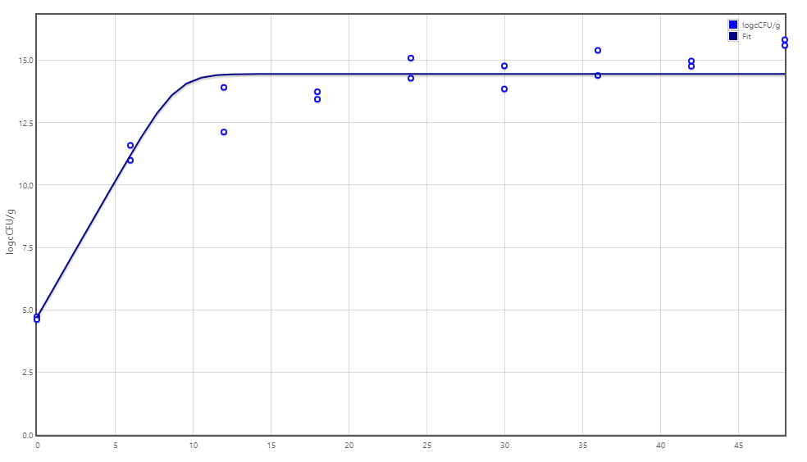

 | T = 20C | Time [h] | Log CFU/g |  | CFU/g | Actual Ln CFU/g | A(t) | Predicted Ln CFU/g | Predicted log CFU/g | Log(Bf) | Log(Af) | SSE | SST | SSR | Ho | 0
 |  | 0 | 2.11 | 0.14 | 128.82495517 | 4.8584545462 | 0 | 5.618 | 2.4398663993 | -0.0039427244293 | 0.0039427244293 | 0.10881184141 | 6.061759888 | 5.9529480466 | Initial value | 5.618
 |  | 12 | 3.91 | 0.14 | 8128.3051616 | 9.0031077136 | 12 | 9.2287157376 | 4.0079803199 | -0.00067180143645 | 0.00067180143645 | 0.0096001430876 | 16.073506388 | 16.063906245
 |  | 24 | 4.3 | 0.09 | 19952.62315 | 9.9011158999 | 24 | 10.36174923 | 4.5000505135 | -0.001234308326 | 0.001234308326 | 0.040020207936 | 20.290474832 | 20.250454624 | Lag/shoulder | 0
 |  | 36 | 4.13 | 0.46 | 13489.628826 | 9.5096764341 | 36 | 10.402207078 | 4.5176211336 | -0.0024349846701 | 0.0024349846701 | 0.15025014321 | 20.55915085 | 20.408900707
 |  | 48 | 4.03 | 0.25 | 10715.193052 | 9.2794179248 | 48 | 10.402985059 | 4.5179590064 | -0.0031023274938 | 0.0031023274938 | 0.23810399194 | 20.650057576 | 20.411953584 | Maximum Rate | 0.331
 |  | 60 | 4.17 | 0.35 | 14791.083882 | 9.6017798378 | 60 | 10.402999719 | 4.517965373 | -0.0021754276916 | 0.0021754276916 | 0.12107990082 | 20.533091013 | 20.412011112 | Final Value | 10.403 | Final Value altered to fit model perfectly from ComBase was
 |  | 72 | 4.1 | 0.38 | 12589.254118 | 9.4405988813 | 72 | 10.402999995 | 4.5179654929 | -0.002634940803 | 0.002634940803 | 0.17469515329 | 20.586707349 | 20.412012195
 |  | 84 | 4.54 | 0.58 | 34673.685045 | 10.453736322 | 84 | 10.403 | 4.5179654952 | 0.00013205894206 | 0.00013205894206 | 0.00048551940195 | 20.412497735 | 20.412012216
 |  | 96 | 4.28 | 0.2 | 19054.60718 | 9.855064198 | 96 | 10.403 | 4.5179654952 | -0.0014686962984 | 0.0014686962984 | 0.056627576924 | 20.468639793 | 20.412012216
 |  | 0 | 2.77 | 0.14 | 588.84365536 | 6.3781607076 | 0 | 5.618 | 2.4398663993 | 0.0034446076811 | 0.0034446076811 | 0.10898819429 | 6.0619362409 | 5.9529480466
 |  | 12 | 4.35 | 0.14 | 22387.211386 | 10.016245155 | 12 | 9.2287157376 | 4.0079803199 | 0.002222729786 | 0.002222729786 | 0.11697746158 | 16.180883706 | 16.063906245
 |  | 24 | 4.7 | 0.09 | 50118.723363 | 10.822149937 | 24 | 10.36174923 | 4.5000505135 | 0.0011800293212 | 0.0011800293212 | 0.039979797167 | 20.290434421 | 20.250454624
 |  | 36 | 4.77 | 0.46 | 58884.365536 | 10.983330894 | 36 | 10.402207078 | 4.5176211336 | 0.0014755357914 | 0.0014755357914 | 0.06369509221 | 20.472595799 | 20.408900707
 |  | 48 | 4.7 | 0.25 | 50118.723363 | 10.822149937 | 48 | 10.402985059 | 4.5179590064 | 0.0010722232433 | 0.0010722232433 | 0.033138923345 | 20.445092507 | 20.411953584
 |  | 60 | 4.81 | 0.35 | 64565.422903 | 11.075434297 | 60 | 10.402999719 | 4.517965373 | 0.0017001361459 | 0.0017001361459 | 0.085284223357 | 20.497295335 | 20.412011112
 |  | 72 | 4.81 | 0.38 | 64565.422903 | 11.075434297 | 72 | 10.402999995 | 4.5179654929 | 0.0017001354254 | 0.0017001354254 | 0.085284153315 | 20.497296349 | 20.412012195
 |  | 84 | 4.84 | 0.58 | 69183.097092 | 11.14451185 | 84 | 10.403 | 4.5179654952 | 0.0018689032413 | 0.0018689032413 | 0.10370622228 | 20.515718438 | 20.412012216
 |  | 96 | 5.07 | 0.2 | 117489.75549 | 11.674106421 | 96 | 10.403 | 4.5179654952 | 0.0031290655966 | 0.0031290655966 | 0.30474209445 | 20.716754311 | 20.412012216
 |  |  | 4.2438888889 |  |  |  |  |  |  | 0.00026021402548 | 0.035590636323 | 0.10230392444 | 331.31389253 | 329.47242189
 |  |  |  |  |  |  |  |  | Bias\Accuracy | 1.0005993445 | 1.0854020471
N | 18 |  |  |  |  |  |  |  |  |  |  | 1.0405407916 |  | SE
 |  |  |  |  |  |  |  |  |  |  |  | 0.99444191541 |  | R Squared
 |  |  |  |  |  |  |  |  |  |  |  | 2.4106174107 |  | %SEP
 |  |  |  |  |  |  |  |  |  |  |  | 0.31984984672 |  | RMSE |  |  |  |  | RMSE | %SEP | R Squared | SE
T=15°C
 |  |  |  |  |  |  |  |  |  |  |  |  |  |  |  |  |  |  |  | T = 37C
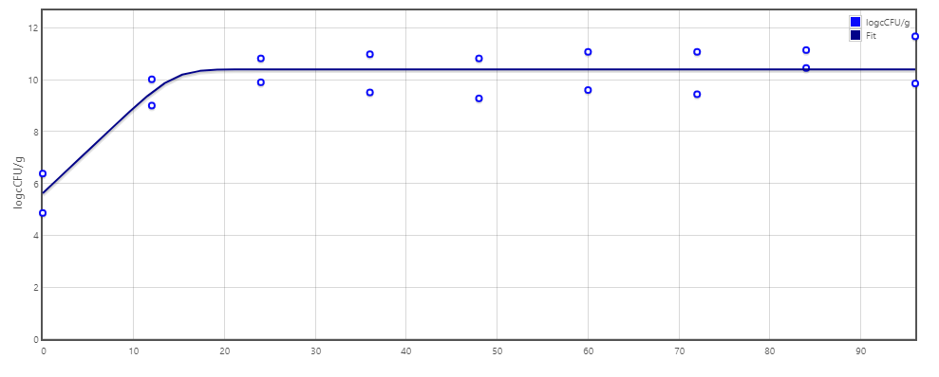
 |  |  |  |  |  |  |  |  |  |  |  |  |  |  |  |  |  | Logistic | 0.2484 | 0.92059 | 0.99876 | 3.774359
 |  |  |  |  |  |  |  |  |  |  |  |  |  |  |  |  |  | Gompertz | 0.2226522958 | 0.73961745257 | 0.99368979376 | 1.4982054702
 |  |  |  |  |  |  |  |  |  |  |  |  |  |  |  |  |  | Baranyi | 0.30652969284 | 1.4018382166 | 0.98114851974 | 0.576440109
 |  |  |  |  |  |  |  |  |  |  |  |  |  |  |  |  |  |  |  | T = 30C
 |  |  |  |  |  |  |  |  |  |  |  |  |  |  |  |  |  | Logistic | 0.3089938825 | 1.7850536923 | 0.95212540856 | 0.80064423336
 |  |  |  |  |  |  |  |  |  |  |  |  |  |  |  |  |  | Gompertz | 0.25793103367 | 1.2438233868 | 0.98884149604 | 1.384340267
 |  |  |  |  |  |  |  |  |  |  |  |  |  |  |  |  |  | Baranyi | 1.5409372035 | 2.3367505535 | 0.98712386944 | 0.7763034952
 |  |  |  |  |  |  |  |  |  |  |  |  |  |  |  |  |  |  |  | T = 20C
 |  |  |  |  |  |  |  |  |  |  |  |  |  |  |  |  |  | Logistic | 0.16431085 | 0.523843 | 0.944558 | 0.201445
 |  |  |  |  |  |  |  |  |  |  |  |  |  |  |  |  |  | Gompertz | 0.31717555619 | 2.3704751957 | 0.80727030061 | 0.24541400419
 |  |  |  |  |  |  |  |  |  |  |  |  |  |  |  |  |  | Baranyi | 0.31984984672 | 2.4106174107 | 0.99444191541 | 1.0405407916
 |  |  |  |  |  |  |  |  |  |  |  |  |  |  |  |  |  |  |  | T = 10C
 |  |  |  |  |  |  |  |  |  |  |  |  |  |  |  |  |  | Logistic | 0.18626930982 | 0.91097237328 | 0.94822084368 | 0.26215703265
 |  |  |  |  |  |  |  |  |  |  |  |  |  |  |  |  |  | Gompertz | 0.18689964208 | 0.91714823593 | 0.94789421302 | 0.26221841142
 |  |  |  |  |  |  |  |  |  |  |  |  |  |  |  |  |  | Baranyi | 0.2053306138 | 1.1069551025 | 0.99710007487 | 0.9844976489

 | T = 10C | Time [h] | Log CFU/g |  | CFU/g | Actual Ln CFU/g | A(t) | Predicted Ln CFU/g | Predicted log CFU/g | Log(Bf) | Log(Af) | SSE | SST | SSR | Ho | 0
 |  | 0 | 2.347910176 | 0.473838 | 222.79742955 | 5.4062629709 | 0 | 5.74 | 2.4928503261 | -0.0016259203506 | 0.0016259203506 | 0.021007647118 | 6.2353103956 | 6.2143027485 | Initial value | 5.74
 |  | 48 | 3.369037589 | 0.138686 | 2339.0396782 | 7.7574957302 | 48 | 6.9352732207 | 3.0119508902 | 0.0030411231304 | 0.0030411231304 | 0.12751091044 | 9.1993590756 | 9.0718481652
 |  | 96 | 3.616620517 | 0.365929 | 4136.3808326 | 8.3275764895 | 96 | 8.0573142572 | 3.4992471209 | 0.00089552048561 | 0.00089552048561 | 0.013776514122 | 12.258506927 | 12.244730413 | Lag/shoulder | 0
 |  | 144 | 4.020680994 | 0.409722 | 10487.717824 | 9.2579601205 | 144 | 8.9889692605 | 3.9038597478 | 0.00080033815057 | 0.00080033815057 | 0.013647203555 | 15.253768134 | 15.240120931
 |  | 192 | 4.551789048 | 0.226457 | 35627.80347 | 10.480881608 | 192 | 9.587338661 | 4.1637282766 | 0.0024187341671 | 0.0024187341671 | 0.15059116228 | 17.487224324 | 17.336633162 | Maximum Rate | 0.0256
 |  | 240 | 4.567592836 | 0.343933 | 36948.161734 | 10.517271175 | 240 | 9.8614058084 | 4.2827541264 | 0.0017477650576 | 0.0017477650576 | 0.081133090485 | 18.423115998 | 18.341982907 | Final Value | 10.00118 | Final Value altered to fit model perfectly from ComBase was
 |  | 288 | 4.550803927 | 0.376068 | 35547.079624 | 10.478613283 | 288 | 9.9582156748 | 4.3247981172 | 0.0013826428061 | 0.0013826428061 | 0.051078626084 | 18.75495738 | 18.703878754
 |  | 336 | 4.259865428 | 0.753274 | 18191.370871 | 9.8087026327 | 336 | 9.9884145832 | 4.3379133364 | -0.00049281198069 | 0.00049281198069 | 0.0060914760121 | 18.82358359 | 18.817492114
 |  | 0 | 2.325257499 | 0.286721 | 211.47425273 | 5.3541032546 | 0 | 5.74 | 2.4928503261 | -0.0018890718776 | 0.0018890718776 | 0.028087355704 | 6.2423901042 | 6.2143027485
 |  | 48 | 3.20070027 | 0.108766 | 1587.4507852 | 7.3698847288 | 48 | 6.9352732207 | 3.0119508902 | 0.0016498200035 | 0.0016498200035 | 0.035626328362 | 9.1074744935 | 9.0718481652
 |  | 96 | 3.451307909 | 0.286946 | 2826.8834873 | 7.9469301426 | 96 | 8.0573142572 | 3.4992471209 | -0.0003744317043 | 0.0003744317043 | 0.0022981680337 | 12.247028581 | 12.244730413
 |  | 144 | 3.849039371 | 0.276502 | 7063.8158844 | 8.862740678 | 144 | 8.9889692605 | 3.9038597478 | -0.00038386582221 | 0.00038386582221 | 0.0030052737165 | 15.243126204 | 15.240120931
 |  | 192 | 4.2713048 | 0.216478 | 18676.90028 | 9.8350427601 | 192 | 9.587338661 | 4.1637282766 | 0.0006923864931 | 0.0006923864931 | 0.01157270838 | 17.34820587 | 17.336633162
 |  | 240 | 4.274609011 | 0.329872 | 18819.540308 | 9.8426509871 | 240 | 9.8614058084 | 4.2827541264 | -5.1671579283E-05 | 5.1671579283E-05 | 6.6342904935E-05 | 18.34204925 | 18.341982907
 |  | 288 | 4.303498904 | 0.330364 | 20114.021222 | 9.9091724241 | 288 | 9.9582156748 | 4.3247981172 | -0.00013400891144 | 0.00013400891144 | 0.00045365648101 | 18.704332411 | 18.703878754
 |  | 336 | 3.979271298 | 0.801239 | 9533.9154909 | 9.1626107718 | 336 | 9.9884145832 | 4.3379133364 | -0.0023423326222 | 0.0023423326222 | 0.12862411174 | 18.946116226 | 18.817492114
 |  |  | 3.8087055986 |  |  |  |  |  |  | 0.0053342154457 | 0.019922445142 | 0.042160660963 | 232.61654896 | 231.94197839
 |  |  |  |  |  |  |  |  | Bias\Accuracy | 1.0123582245 | 1.046941572
N | 16 |  |  |  |  |  |  |  |  |  |  | 0.9844976489 |  | SE
 |  |  |  |  |  |  |  |  |  |  |  | 0.99710007487 |  | R Squared
 |  |  |  |  |  |  |  |  |  |  |  | 1.1069551025 |  | %SEP
 |  |  |  |  |  |  |  |  |  |  |  | 0.2053306138 |  | RMSE

T=10°C

SecondaryModel
T | Time [h] | Actual Log CFU/g | SD | CFU/g | Actual Ln CFU/g | Umax | Final | Initial | lag | A(t) | Predicted Ln CFU/g | Predicted log CFU/g | ConfLLow | 95% Conf HalfWidth | ConfUp | Log(Bf) | Log(Af) | SSE | SST | SSR | Temp °C | Temp K | (T-Tmin)^2 | Initial Value | Umax | Final Value
37 | 0 | 1.731069822 | 0.104711 | 53.83563277 | 3.9859355671 | 1.4282 | 19.975 | 4.634 | 0 | 0 | 4.634 | 2.0125206291 | 3.3869950906 | 0.26011654394 | 4.5848760436 | -0.0010385040545 | 0.0010385040545 | 0.07921455684 | 23.662594061 | 23.583379504 | 37 | 310 | 1089 | 4.715 | 1.271 | 19.0728
37 | 4 | 4.190105621 | 0.219515 | 15491.93339 | 9.648074741 | 1.4282 | 19.975 | 4.634 | 0 | 4 | 10.346734374 | 4.4935296444 | 8.3924624491 | 0.54530548979 | 10.903687033 | -0.00048194667725 | 0.00048194667725 | 0.092066137998 | 5.7339412484 | 5.6418751104 | 30 | 303 | 676 | 4.695 | 1 | 14.448
37 | 8 | 6.320436802 | 0.709385 | 2091398.5472 | 14.553343561 | 1.4282 | 19.975 | 4.634 | 0 | 8 | 16.039863692 | 6.9660242919 | 10.495705014 | 1.7622100307 | 18.610982109 | -0.00067044272094 | 0.00067044272094 | 0.41678320717 | 0.42623716805 | 0.0094539608856 | 20 | 293 | 256 | 5.618 | 0.331 | 10.403
37 | 11 | 7.28656346 | 0.785879 | 19344765.076 | 16.777932402 | 1.4282 | 19.975 | 4.634 | 0 | 11 | 19.449510229 | 8.4468149682 | 12.282752882 | 1.9522316608 | 21.273111922 | -0.0010185750673 | 0.0010185750673 | 1.3461835623 | 3.8363374908 | 2.4901539286 | 10 | 283 | 36 | 5.74 | 0.0256 | 10.00118
37 | 16 | 7.857717048 | 0.33977 | 72063781.549 | 18.09306214 | 1.4282 | 19.975 | 4.634 | 0 | 16 | 19.974452678 | 8.6747945772 | 16.149598648 | 0.84403547032 | 20.036525632 | -0.00068194941673 | 0.00068194941673 | 0.66761568879 | 3.9292580685 | 3.2616423797
37 | 20 | 8.354396914 | 0.355642 | 226150167.63 | 19.236709795 | 1.4282 | 19.975 | 4.634 | 0 | 20 | 19.974998191 | 8.6750314906 | 17.20245944 | 0.88346370408 | 21.27096015 | -0.00025961833956 | 0.00025961833956 | 0.1028065317 | 3.3653046993 | 3.2624981676
37 | 24 | 8.171361611 | 0.243304 | 148375300.32 | 18.815255435 | 1.4282 | 19.975 | 4.634 | 0 | 24 | 19.974999994 | 8.6750322734 | 17.423571527 | 0.60440064182 | 20.206939343 | -0.00041232808255 | 0.00041232808255 | 0.25368413619 | 3.5161851318 | 3.2625009956
37 | 28 | 8.38320133 | 0.386022 | 241658085.21 | 19.303034414 | 1.4282 | 19.975 | 4.634 | 0 | 28 | 19.975 | 8.675032276 | 17.095012328 | 0.95893180777 | 21.5110565 | -0.00023589211168 | 0.00023589211168 | 0.085165301048 | 3.347666306 | 3.262501005
37 | 0 | 1.920310309 | 0.215425 | 83.23582894 | 4.4216778914 | 1.4282 | 19.975 | 4.634 | 0 | 0 | 4.634 | 2.0125206291 | 3.1894601478 | 0.53514536655 | 5.653895635 | -0.00032331630738 | 0.00032331630738 | 0.0085027431403 | 27.835946847 | 27.827444104
37 | 4 | 5.039337134 | 0.095813 | 109480.59121 | 11.603502563 | 1.4282 | 19.975 | 4.634 | 0 | 4 | 10.346734374 | 4.4935296444 | 11.055458099 | 0.23801268658 | 12.151547027 | 0.00079025083641 | 0.00079025083641 | 0.29790581567 | 0.48936627587 | 0.19146046021
37 | 8 | 6.635533607 | 0.421357 | 4320495.9961 | 15.278880768 | 1.4282 | 19.975 | 4.634 | 0 | 8 | 16.039863692 | 6.9660242919 | 12.868744656 | 1.0467088138 | 17.689016879 | -0.00033506557954 | 0.00033506557954 | 0.10922409283 | 37.694599516 | 37.585375423
37 | 11 | 7.676954472 | 0.415334 | 47528539.817 | 17.676840927 | 1.4282 | 19.975 | 4.634 | 0 | 11 | 19.449510229 | 8.4468149682 | 15.301156005 | 1.0317468524 | 20.052525849 | -0.00065879390163 | 0.00065879390163 | 0.59268518359 | 91.610730616 | 91.018045433
37 | 16 | 8.411883737 | 0.418797 | 258156899.8 | 19.369078097 | 1.4282 | 19.975 | 4.634 | 0 | 16 | 19.974452678 | 8.6747945772 | 16.973585028 | 1.0403494213 | 21.764571166 | -0.00021215774222 | 0.00021215774222 | 0.069122109917 | 101.37898871 | 101.3098666
37 | 20 | 8.522367473 | 0.215515 | 332941148.25 | 19.6234763 | 1.4282 | 19.975 | 4.634 | 0 | 20 | 19.974998191 | 8.6750314906 | 18.390743762 | 0.53536893895 | 20.856208838 | -0.00012239370643 | 0.00012239370643 | 0.023306302266 | 101.34415468 | 101.32084838
37 | 24 | 8.311998224 | 0.199145 | 205115379.08 | 19.139083204 | 1.4282 | 19.975 | 4.634 | 0 | 24 | 19.974999994 | 8.6750322734 | 17.999986058 | 0.49470360461 | 20.278180349 | -0.00029469297463 | 0.00029469297463 | 0.13179372104 | 101.45267839 | 101.32088467
37 | 28 | 8.429326069 | 0.24004 | 268736136.37 | 19.40924055 | 1.4282 | 19.975 | 4.634 | 0 | 28 | 19.975 | 8.675032276 | 18.036226522 | 0.59629241633 | 20.782254579 | -0.00019806738803 | 0.00019806738803 | 0.060371540163 | 101.38125633 | 101.32088479
30 | 0 | 2.052378754 | 0.097292 | 112.81809289 | 4.7257767241 | 0.9158 | 15.1905 | 4.9455 | 0 | 0 | 4.9455 | 2.1478033603 | 4.1692724711 | 0.24168672625 | 5.2822809772 | -0.00031328582955 | 0.00031328582955 | 0.0091058554785 | 4.6221651298 | 4.6130592743
30 | 6 | 4.771924773 | 0.190897 | 59145.917477 | 10.987762847 | 0.9158 | 15.1905 | 4.9455 | 0 | 6 | 10.431722462 | 4.5304395021 | 9.8958437542 | 0.47421443676 | 12.07968194 | 0.00035798814694 | 0.00035798814694 | 0.058315136076 | 20.583197218 | 20.524882082
30 | 12 | 5.263855745 | 0.141969 | 183592.84212 | 12.12047577 | 0.9158 | 15.1905 | 4.9455 | 0 | 12 | 14.801904822 | 6.4283855859 | 11.308421826 | 0.3526705468 | 12.932529714 | -0.0013777450732 | 0.0013777450732 | 1.3561297504 | 42.680270991 | 41.324141241
30 | 18 | 5.833334997 | 0.383522 | 681294.67891 | 13.431750207 | 0.9158 | 15.1905 | 4.9455 | 0 | 18 | 15.188550944 | 6.5963038632 | 11.238027967 | 0.95272146349 | 15.625472446 | -0.0008473608837 | 0.0008473608837 | 0.58212149074 | 44.093346146 | 43.511224655
30 | 24 | 6.199584975 | 0.29651 | 1583379.3438 | 14.275071946 | 0.9158 | 15.1905 | 4.9455 | 0 | 24 | 15.190491985 | 6.5971468466 | 12.579052992 | 0.73657167291 | 15.9710909 | -0.00042846879579 | 0.00042846879579 | 0.15805544178 | 43.680401958 | 43.522346516
30 | 30 | 6.012722793 | 0.425791 | 1029728.6424 | 13.844805871 | 0.9158 | 15.1905 | 4.9455 | 0 | 30 | 15.190499967 | 6.5971503131 | 11.409307553 | 1.0577234804 | 16.28030419 | -0.00063944758003 | 0.00063944758003 | 0.34155552619 | 43.863947779 | 43.522392253
30 | 36 | 6.247540298 | 0.295104 | 1768236.284 | 14.385493158 | 0.9158 | 15.1905 | 4.9455 | 0 | 36 | 15.1905 | 6.5971503273 | 12.697516438 | 0.73307897529 | 16.073469879 | -0.00037535419413 | 0.00037535419413 | 0.12222717258 | 43.644619613 | 43.522392441
30 | 42 | 6.408281231 | 0.306773 | 2560243.257 | 14.755612834 | 0.9158 | 15.1905 | 4.9455 | 0 | 42 | 15.1905 | 6.5971503274 | 13.000890152 | 0.76206637825 | 16.510335517 | -0.00020023519977 | 0.00020023519977 | 0.035671535557 | 43.558063977 | 43.522392442
30 | 48 | 6.770443368 | 0.189407 | 5894451.0841 | 15.589521972 | 0.9158 | 15.1905 | 4.9455 | 0 | 48 | 15.1905 | 6.5971503274 | 14.506125587 | 0.47051307157 | 16.672918357 | 0.00017874173665 | 0.00017874173665 | 0.030030477937 | 43.55242292 | 43.522392442
30 | 0 | 2.003103844 | 0.182859 | 100.71724647 | 4.6123170509 | 0.9158 | 15.1905 | 4.9455 | 0 | 0 | 4.9455 | 2.1478033603 | 3.5663748233 | 0.45424693783 | 5.6582592785 | -0.00048081036706 | 0.00048081036706 | 0.020937950004 | 4.6339972243 | 4.6130592743
30 | 6 | 5.032047069 | 0.232068 | 107658.18877 | 11.586716568 | 0.9158 | 15.1905 | 4.9455 | 0 | 6 | 10.431722462 | 4.5304395021 | 10.259301889 | 0.57648887049 | 12.914131248 | 0.00072387872095 | 0.00072387872095 | 0.2516101512 | 20.776492233 | 20.524882082
30 | 12 | 6.039200021 | 0.257695 | 1094460.3207 | 13.905771942 | 0.9158 | 15.1905 | 4.9455 | 0 | 12 | 14.801904822 | 6.4283855859 | 12.431772399 | 0.64014986763 | 15.379771484 | -0.00043051594838 | 0.00043051594838 | 0.15146540393 | 41.475606645 | 41.324141241
30 | 18 | 5.963925753 | 0.186893 | 920292.22511 | 13.732446535 | 0.9158 | 15.1905 | 4.9455 | 0 | 18 | 15.188550944 | 6.5963038632 | 12.663430075 | 0.46426794936 | 14.801462994 | -0.00069473691063 | 0.00069473691063 | 0.39990207422 | 43.911126729 | 43.511224655
30 | 24 | 6.550725671 | 0.194584 | 3554067.4934 | 15.083603278 | 0.9158 | 15.1905 | 4.9455 | 0 | 24 | 15.190491985 | 6.5971468466 | 13.970594772 | 0.4833734525 | 16.196611784 | -4.8678390754E-05 | 4.8678390754E-05 | 0.0021549255472 | 43.524501442 | 43.522346516
30 | 30 | 6.413805745 | 0.559651 | 2593019.2746 | 14.768333498 | 0.9158 | 15.1905 | 4.9455 | 0 | 30 | 15.190499967 | 6.5971503131 | 11.567164216 | 1.3902501545 | 17.969502779 | -0.00019429487435 | 0.00019429487435 | 0.033615230634 | 43.556007484 | 43.522392253
30 | 36 | 6.684245949 | 0.213763 | 4833324.4465 | 15.39104508 | 0.9158 | 15.1905 | 4.9455 | 0 | 36 | 15.1905 | 6.5971503273 | 14.168333874 | 0.53101672968 | 16.613756286 | 9.0413352223E-05 | 9.0413352223E-05 | 0.0075856473206 | 43.529978088 | 43.522392441
30 | 42 | 6.499017318 | 0.421079 | 3155130.4354 | 14.964540396 | 0.9158 | 15.1905 | 4.9455 | 0 | 42 | 15.1905 | 6.5971503274 | 12.555994427 | 1.0460182235 | 17.373086364 | -0.00010331247774 | 0.00010331247774 | 0.0096300875243 | 43.532022529 | 43.522392442
30 | 48 | 6.868792811 | 0.464172 | 7392525.155 | 15.815979933 | 0.9158 | 15.1905 | 4.9455 | 0 | 48 | 15.1905 | 6.5971503274 | 13.160944657 | 1.1530671699 | 18.47101521 | 0.00027815930571 | 0.00027815930571 | 0.073789638923 | 43.596182081 | 43.522392442
20 | 0 | 2.11 | 0.14 | 128.82495517 | 4.8584545462 | 0.3878 | 11.2455 | 5.3905 | 0 | 0 | 5.3905 | 2.3410644047 | 4.0576631613 | 0.34777927965 | 5.6592459312 | -0.00071636359331 | 0.00071636359331 | 0.053390759119 | 5.5339733061 | 5.480582547
20 | 12 | 3.91 | 0.14 | 8128.3051616 | 9.0031077136 | 0.3878 | 11.2455 | 5.3905 | 0 | 12 | 9.7833468023 | 4.2488535308 | 8.2023163286 | 0.34777927965 | 9.8038990986 | -0.00057293655033 | 0.00057293655033 | 0.11482171531 | 18.167578041 | 18.052756326
20 | 24 | 4.3 | 0.09 | 19952.62315 | 9.9011158999 | 0.3878 | 11.2455 | 5.3905 | 0 | 24 | 11.214403444 | 4.8703535337 | 9.3863214381 | 0.22357239406 | 10.415910362 | -0.00085860367857 | 0.00085860367857 | 0.32530315345 | 24.045646697 | 23.720343544
20 | 36 | 4.13 | 0.46 | 13489.628826 | 9.5096764341 | 0.3878 | 11.2455 | 5.3905 | 0 | 36 | 11.245199126 | 4.8837279285 | 6.8785047406 | 1.1427033474 | 12.140848128 | -0.0011555779338 | 0.0011555779338 | 0.56810579015 | 24.418904269 | 23.850798479
20 | 48 | 4.03 | 0.25 | 10715.193052 | 9.2794179248 | 0.3878 | 11.2455 | 5.3905 | 0 | 48 | 11.245497133 | 4.8838573512 | 7.8494333088 | 0.62103442794 | 10.709402541 | -0.0013247289578 | 0.0013247289578 | 0.72907237612 | 24.581135003 | 23.852062626
20 | 60 | 4.17 | 0.35 | 14791.083882 | 9.6017798378 | 0.3878 | 11.2455 | 5.3905 | 0 | 60 | 11.245499973 | 4.8838585844 | 7.5998013754 | 0.86944819911 | 11.6037583 | -0.0010893178599 | 0.0010893178599 | 0.50959407849 | 24.361668751 | 23.852074672
20 | 72 | 4.1 | 0.38 | 12589.254118 | 9.4405988813 | 0.3878 | 11.2455 | 5.3905 | 0 | 72 | 11.2455 | 4.8838585961 | 7.2670222649 | 0.94397233047 | 11.614175498 | -0.0012060194361 | 0.0012060194361 | 0.61443429873 | 24.466509086 | 23.852074787
20 | 84 | 4.54 | 0.58 | 34673.685045 | 10.453736322 | 0.3878 | 11.2455 | 5.3905 | 0 | 84 | 11.2455 | 4.8838585962 | 7.1361720131 | 1.4407998728 | 13.771300631 | -0.00050328933881 | 0.00050328933881 | 0.11823873421 | 23.970313522 | 23.852074788
20 | 96 | 4.28 | 0.2 | 19054.60718 | 9.855064198 | 0.3878 | 11.2455 | 5.3905 | 0 | 96 | 11.2455 | 4.8838585962 | 8.7110765052 | 0.49682754235 | 10.999051891 | -0.00090983035221 | 0.00090983035221 | 0.36464520426 | 24.216719992 | 23.852074788
20 | 0 | 2.77 | 0.14 | 588.84365536 | 6.3781607076 | 0.3878 | 11.2455 | 5.3905 | 0 | 0 | 5.3905 | 2.3410644047 | 5.5773693226 | 0.34777927965 | 7.1789520926 | 0.0011597842443 | 0.0011597842443 | 0.18398574492 | 5.6645682919 | 5.480582547
20 | 12 | 4.35 | 0.14 | 22387.211386 | 10.016245155 | 0.3878 | 11.2455 | 5.3905 | 0 | 12 | 9.7833468023 | 4.2488535308 | 9.2154537696 | 0.34777927965 | 10.817036539 | 0.00016218249028 | 0.00016218249028 | 0.010230608238 | 18.062986934 | 18.052756326
20 | 24 | 4.7 | 0.09 | 50118.723363 | 10.822149937 | 0.3878 | 11.2455 | 5.3905 | 0 | 24 | 11.214403444 | 4.8703535337 | 10.307355475 | 0.22357239406 | 11.336944399 | -0.0002454385618 | 0.0002454385618 | 0.029020326456 | 23.74936387 | 23.720343544
20 | 36 | 4.77 | 0.46 | 58884.365536 | 10.983330894 | 0.3878 | 11.2455 | 5.3905 | 0 | 36 | 11.245199126 | 4.8837279285 | 8.3521592001 | 1.1427033474 | 13.614502587 | -0.00016242988009 | 0.00016242988009 | 0.012934041714 | 23.863732521 | 23.850798479
20 | 48 | 4.7 | 0.25 | 50118.723363 | 10.822149937 | 0.3878 | 11.2455 | 5.3905 | 0 | 48 | 11.245497133 | 4.8838573512 | 9.3921653211 | 0.62103442794 | 12.252134553 | -0.000264525596 | 0.000264525596 | 0.033803525573 | 23.885866152 | 23.852062626
20 | 60 | 4.81 | 0.35 | 64565.422903 | 11.075434297 | 0.3878 | 11.2455 | 5.3905 | 0 | 60 | 11.245499973 | 4.8838585844 | 9.0734558349 | 0.86944819911 | 13.07741276 | -0.00010504767895 | 0.00010504767895 | 0.0054550904867 | 23.857529763 | 23.852074672
20 | 72 | 4.81 | 0.38 | 64565.422903 | 11.075434297 | 0.3878 | 11.2455 | 5.3905 | 0 | 72 | 11.2455 | 4.8838585961 | 8.901857681 | 0.94397233047 | 13.249010914 | -0.00010504769553 | 0.00010504769553 | 0.0054550922223 | 23.857529879 | 23.852074787
20 | 84 | 4.84 | 0.58 | 69183.097092 | 11.14451185 | 0.3878 | 11.2455 | 5.3905 | 0 | 84 | 11.2455 | 4.8838585962 | 7.826947541 | 1.4407998728 | 14.462076159 | -6.2186024727E-05 | 6.2186024727E-05 | 0.0019235764643 | 23.853998365 | 23.852074788
20 | 96 | 5.07 | 0.2 | 117489.75549 | 11.674106421 | 0.3878 | 11.2455 | 5.3905 | 0 | 96 | 11.2455 | 4.8838585962 | 10.530118729 | 0.49682754235 | 12.818094114 | 0.00025785520843 | 0.00025785520843 | 0.034648622193 | 23.88672341 | 23.852074788
10 | 0 | 2.347910176 | 0.473838 | 222.79742955 | 5.4062629709 | 0.0998 | 10.7005 | 5.8355 | 0 | 0 | 5.8355 | 2.5343254491 | 2.695938769 | 1.1770788451 | 8.1165871729 | -0.00052668105725 | 0.00052668105725 | 0.034750654062 | 6.4575561363 | 6.4228054822
10 | 2 | 3.369037589 | 0.138686 | 2339.0396782 | 7.7574957302 | 0.0998 | 10.7005 | 5.8355 | 0 | 2 | 6.0333977965 | 2.6202713701 | 6.9642203443 | 0.34451512269 | 8.550771116 | 0.0017326918233 | 0.0017326918233 | 0.56065085051 | 7.4264729037 | 6.8658220532
10 | 4 | 3.616620517 | 0.365929 | 4136.3808326 | 8.3275764895 | 0.0998 | 10.7005 | 5.8355 | 0 | 4 | 6.2309234726 | 2.7060556813 | 6.2344851273 | 0.90901802872 | 10.420667852 | 0.0019994636996 | 0.0019994636996 | 0.82912832001 | 8.1518656703 | 7.3227373503
10 | 6 | 4.020680994 | 0.409722 | 10487.717824 | 9.2579601205 | 0.0998 | 10.7005 | 5.8355 | 0 | 6 | 6.4279967207 | 2.7916435055 | 6.9143754931 | 1.0178058715 | 11.601544748 | 0.0025149152247 | 0.0025149152247 | 1.5105331482 | 9.3038066099 | 7.7932734617
10 | 8 | 4.551789048 | 0.226457 | 35627.80347 | 10.480881608 | 0.0998 | 10.7005 | 5.8355 | 0 | 8 | 6.624520404 | 2.8769926567 | 9.1855615036 | 0.56255037379 | 11.776201713 | 0.0031625932246 | 0.0031625932246 | 2.8049429523 | 11.082029699 | 8.2770867468
10 | 10 | 4.567592836 | 0.343933 | 36948.161734 | 10.517271175 | 0.0998 | 10.7005 | 5.8355 | 0 | 10 | 6.8203772706 | 2.9620522131 | 8.5499955793 | 0.85437693562 | 12.484546771 | 0.0029856297366 | 0.0029856297366 | 2.5777606917 | 11.351514005 | 8.7737533132
10 | 12 | 4.550803927 | 0.376068 | 35547.079624 | 10.478613283 | 0.0998 | 10.7005 | 5.8355 | 0 | 12 | 7.0154261401 | 3.0467608608 | 8.3275274652 | 0.93420470098 | 12.629699102 | 0.0027658691466 | 0.0027658691466 | 2.2621455449 | 11.544897288 | 9.2827517432
10 | 14 | 4.259865428 | 0.753274 | 18191.370871 | 9.8087026327 | 0.0998 | 10.7005 | 5.8355 | 0 | 14 | 7.2094975359 | 3.1310449971 | 5.5000217061 | 1.8712363507 | 14.117383559 | 0.002122326518 | 0.002122326518 | 1.2742355652 | 11.077678339 | 9.803442774
10 | 0 | 2.325257499 | 0.286721 | 211.47425273 | 5.3541032546 | 0.0998 | 10.7005 | 5.8355 | 0 | 0 | 5.8355 | 2.5343254491 | 3.7140767782 | 0.71225444885 | 6.9941297309 | -0.00059351319109 | 0.00059351319109 | 0.043709407778 | 6.46651489 | 6.4228054822
10 | 2 | 3.20070027 | 0.108766 | 1587.4507852 | 7.3698847288 | 0.0998 | 10.7005 | 5.8355 | 0 | 2 | 6.0333977965 | 2.6202713701 | 6.7477499019 | 0.27018972236 | 7.9920195558 | 0.0013793449974 | 0.0013793449974 | 0.33689770779 | 7.202719761 | 6.8658220532
10 | 4 | 3.451307909 | 0.286946 | 2826.8834873 | 7.9469301426 | 0.0998 | 10.7005 | 5.8355 | 0 | 4 | 6.2309234726 | 2.7060556813 | 6.3056166801 | 0.71281337984 | 9.5882436051 | 0.0016769361593 | 0.0016769361593 | 0.55540088289 | 7.8781382332 | 7.3227373503
10 | 6 | 3.849039371 | 0.276502 | 7063.8158844 | 8.862740678 | 0.0998 | 10.7005 | 5.8355 | 0 | 6 | 6.4279967207 | 2.7916435055 | 7.2811662528 | 0.68686904557 | 10.444315103 | 0.0022141650094 | 0.0022141650094 | 1.1180860164 | 8.9113594781 | 7.7932734617
10 | 8 | 4.2713048 | 0.216478 | 18676.90028 | 9.8350427601 | 0.0998 | 10.7005 | 5.8355 | 0 | 8 | 6.624520404 | 2.8769926567 | 8.5968019213 | 0.53776116356 | 11.073283599 | 0.0027241557201 | 0.0027241557201 | 1.9441063529 | 10.2211931 | 8.2770867468
10 | 10 | 4.274609011 | 0.329872 | 18819.540308 | 9.8426509871 | 0.0998 | 10.7005 | 5.8355 | 0 | 10 | 6.8203772706 | 2.9620522131 | 7.9558034461 | 0.81944747525 | 11.729498528 | 0.0025286299558 | 0.0025286299558 | 1.7228053477 | 10.496558661 | 8.7737533132
10 | 12 | 4.303498904 | 0.330364 | 20114.021222 | 9.9091724241 | 0.0998 | 10.7005 | 5.8355 | 0 | 12 | 7.0154261401 | 3.0467608608 | 8.0195106733 | 0.820669671 | 11.798834175 | 0.002380687758 | 0.002380687758 | 1.5793905091 | 10.862142252 | 9.2827517432
10 | 14 | 3.979271298 | 0.801239 | 9533.9154909 | 9.1626107718 | 0.0998 | 10.7005 | 5.8355 | 0 | 14 | 7.2094975359 | 3.1310449971 | 4.5795729968 | 1.990388016 | 13.745648547 | 0.0016526069901 | 0.0016526069901 | 0.7194878575 | 10.522930632 | 9.803442774
 |  |  |  | 13895.897073 |  |  |  |  |  |  |  |  |  |  |  | 0.012359742024 | 0.059318797987 | 0.46425630402 | 1803.2217212 | 1771.6522926
 |  |  |  |  |  |  |  |  |  |  |  | Bias\Accuracy |  |  |  | 1.0288681945 | 1.1463541248
N | 63 |  |  |  |  |  |  |  |  |  |  |  |  |  |  |  |  | 0.67945147473 |  | SE
 |  |  |  |  |  |  |  |  |  |  |  |  |  |  |  |  |  | 0.98249276376 |  | R Squared
 |  |  |  |  |  |  |  |  |  |  |  |  |  |  |  |  |  | 0.0033409595766 |  | %SEP
 |  |  |  |  |  |  |  |  |  |  |  |  |  |  |  |  |  | 0.6813635623 |  | RMSE

Summary
T = 37C | Time(H) | Actual | SD | HalfWidth | ConfLow | ConfHigh | Logistic | Gompertz | Baranyi |  | T = 30C | Time(H) | Actual | SD | HalfWidth | ConfLow | ConfHigh | Logistic | Gompertz | Baranyi | T = 20C | Time(H) | Actual | SD | HalfWidth | ConfLow | ConfHigh | Logistic | Gompertz | Baranyi | T = 10C | Time(Days) | Actual | SD | HalfWidth | ConfLow | ConfHigh | Logistic | Gompertz
 | 0 | 3.9859355671 | 0.104711 | 0.26011654394 | 3.7258190231 | 4.246052111 | 3.9859355671 | 4.2197608648 | 4.715 |  |  | 0 | 4.7257767241 | 0.097292 | 0.24168672625 | 4.4840899979 | 4.9674634504 | 4.9610908107 | 4.8009451085 | 4.695 |  | 0 | 4.8584545462 | 0.14 | 0.34777927965 | 4.5106752666 | 5.2062338259 | 5.6184082821 | 5.618841262 | 5.618 |  | 0 | 5.4062629709 | 0.473838 | 1.1770788451 | 4.2291841259 | 6.583341816 | 5.4596058046 | 5.4346101998
 | 4 | 9.648074741 | 0.219515 | 0.54530548979 | 9.1027692512 | 10.193380231 | 9.648074741 | 10.527290659 | 9.7989067346 |  |  | 6 | 10.987762847 | 0.190897 | 0.47421443676 | 10.51354841 | 11.461977284 | 10.685699265 | 10.779962401 | 11.189263018 |  | 12 | 9.0031077136 | 0.14 | 0.34777927965 | 8.655328434 | 9.3508869933 | 9.5132809588 | 9.5209414557 | 9.2287157376 |  | 2 | 7.7574957302 | 0.138686 | 0.34451512269 | 7.4129806075 | 8.1020108529 | 7.2368533538 | 7.2757307508
 | 8 | 14.553343561 | 0.709385 | 1.7622100307 | 12.791133531 | 16.315553592 | 14.553343561 | 15.151254664 | 14.867964863 |  |  | 12 | 12.12047577 | 0.141969 | 0.3526705468 | 11.767805223 | 12.473146317 | 13.692962849 | 13.216241587 | 14.412270411 |  | 24 | 9.9011158999 | 0.09 | 0.22357239406 | 9.6775435058 | 10.124688294 | 10.310328242 | 10.262601612 | 10.36174923 |  | 4 | 8.3275764895 | 0.365929 | 0.90901802872 | 7.4185584607 | 9.2365945182 | 8.5257404536 | 8.5400915397
 | 11 | 16.777932402 | 0.785879 | 1.9522316608 | 14.825700741 | 18.730164063 | 16.777932402 | 17.119249534 | 18.17360989 |  |  | 18 | 13.431750207 | 0.383522 | 0.95272146349 | 12.479028743 | 14.38447167 | 14.467924546 | 14.20856679 | 14.447947109 |  | 36 | 9.5096764341 | 0.46 | 1.1427033474 | 8.3669730867 | 10.652379781 | 10.407565915 | 10.399771774 | 10.402207078 |  | 6 | 9.2579601205 | 0.409722 | 1.0178058715 | 8.2401542489 | 10.275765992 | 9.2944937226 | 9.2817019742
 | 16 | 18.09306214 | 0.33977 | 0.84403547032 | 17.249026669 | 18.93709761 | 18.09306214 | 18.649939425 | 19.070269823 |  |  | 24 | 14.275071946 | 0.29651 | 0.73657167291 | 13.538500273 | 15.011643619 | 14.625467146 | 14.612688004 | 14.447999923 |  | 48 | 9.2794179248 | 0.25 | 0.62103442794 | 8.6583834968 | 9.9004523527 | 10.418523122 | 10.425014001 | 10.402985059 |  | 8 | 10.480881608 | 0.226457 | 0.56255037379 | 9.9183312346 | 11.043431982 | 9.7007072668 | 9.683298591
 | 20 | 19.236709795 | 0.355642 | 0.88346370408 | 18.353246091 | 20.120173499 | 19.236709795 | 19.112501313 | 19.072784306 |  |  | 30 | 13.844805871 | 0.425791 | 1.0577234804 | 12.787082391 | 14.902529352 | 14.655841565 | 14.777254355 | 14.448 |  | 60 | 9.6017798378 | 0.35 | 0.86944819911 | 8.7323316387 | 10.471228037 | 10.41974644 | 10.429654808 | 10.402999719 |  | 10 | 10.517271175 | 0.343933 | 0.85437693562 | 9.6628942394 | 11.371648111 | 9.9016783665 | 9.8922055538
 | 24 | 18.815255435 | 0.243304 | 0.60440064182 | 18.210854793 | 19.419656077 | 18.815255435 | 19.304400632 | 19.072799903 |  |  | 36 | 14.385493158 | 0.295104 | 0.73307897529 | 13.652414183 | 15.118572133 | 14.661637002 | 14.844267335 | 14.448 |  | 72 | 9.4405988813 | 0.38 | 0.94397233047 | 8.4966265508 | 10.384571212 | 10.419882876 | 10.430507879 | 10.402999995 |  | 12 | 10.478613283 | 0.376068 | 0.93420470098 | 9.5444085825 | 11.412817984 | 9.9978692234 | 9.9987097639
 | 28 | 19.303034414 | 0.386022 | 0.95893180777 | 18.344102606 | 20.261966222 | 19.303034414 | 19.383218633 | 19.072799999 |  |  | 42 | 14.755612834 | 0.306773 | 0.76206637825 | 13.993546456 | 15.517679212 | 14.662740562 | 14.871555363 | 14.448 |  | 84 | 10.453736322 | 0.58 | 1.4407998728 | 9.0129364494 | 11.894536195 | 10.41989809 | 10.430664686 | 10.403 |  | 14 | 9.8087026327 | 0.753274 | 1.8712363507 | 7.937466282 | 11.679938983 | 10.043179041 | 10.052462662
Replication | 0 | 4.4216778914 | 0.215425 | 0.53514536655 | 3.8865325249 | 4.956823258 | 4.4216778914 | 4.2197608648 | 4.715 |  |  | 48 | 15.589521972 | 0.189407 | 0.47051307157 | 15.119008901 | 16.060035044 | 14.662950621 | 14.882667138 | 14.448 |  | 96 | 9.855064198 | 0.2 | 0.49682754235 | 9.3582366557 | 10.35189174 | 10.419899787 | 10.430693509 | 10.403 |  | 0 | 5.3541032546 | 0.286721 | 0.71225444885 | 4.6418488057 | 6.0663577034 | 5.4596058046 | 5.4346101998
 | 4 | 11.603502563 | 0.095813 | 0.23801268658 | 11.365489877 | 11.84151525 | 11.603502563 | 10.527290659 | 9.7989067346 |  |  | 0 | 4.6123170509 | 0.182859 | 0.45424693783 | 4.1580701131 | 5.0665639887 | 4.9610908107 | 4.8009451085 | 4.695 |  | 0 | 6.3781607076 | 0.14 | 0.34777927965 | 6.0303814279 | 6.7259399872 | 5.6184082821 | 5.618841262 | 5.618 |  | 2 | 7.3698847288 | 0.108766 | 0.27018972236 | 7.0996950065 | 7.6400744512 | 7.2368533538 | 7.2757307508
 | 8 | 15.278880768 | 0.421357 | 1.0467088138 | 14.232171954 | 16.325589581 | 15.278880768 | 15.151254664 | 14.867964863 |  |  | 6 | 11.586716568 | 0.232068 | 0.57648887049 | 11.010227698 | 12.163205439 | 10.685699265 | 10.779962401 | 11.189263018 |  | 12 | 10.016245155 | 0.14 | 0.34777927965 | 9.6684658749 | 10.364024434 | 9.5132809588 | 9.5209414557 | 9.2287157376 |  | 4 | 7.9469301426 | 0.286946 | 0.71281337984 | 7.2341167628 | 8.6597435224 | 8.5257404536 | 8.5400915397
 | 11 | 17.676840927 | 0.415334 | 1.0317468524 | 16.645094074 | 18.708587779 | 17.676840927 | 17.119249534 | 18.17360989 |  |  | 12 | 13.905771942 | 0.257695 | 0.64014986763 | 13.265622074 | 14.54592181 | 13.692962849 | 13.216241587 | 14.412270411 |  | 24 | 10.822149937 | 0.09 | 0.22357239406 | 10.598577543 | 11.045722331 | 10.310328242 | 10.262601612 | 10.36174923 |  | 6 | 8.862740678 | 0.276502 | 0.68686904557 | 8.1758716324 | 9.5496097236 | 9.2944937226 | 9.2817019742
 | 16 | 19.369078097 | 0.418797 | 1.0403494213 | 18.328728676 | 20.409427518 | 19.369078097 | 18.649939425 | 19.070269823 |  |  | 18 | 13.732446535 | 0.186893 | 0.46426794936 | 13.268178585 | 14.196714484 | 14.467924546 | 14.20856679 | 14.447947109 |  | 36 | 10.983330894 | 0.46 | 1.1427033474 | 9.8406275462 | 12.126034241 | 10.407565915 | 10.399771774 | 10.402207078 |  | 8 | 9.8350427601 | 0.216478 | 0.53776116356 | 9.2972815965 | 10.372803924 | 9.7007072668 | 9.683298591
 | 20 | 19.6234763 | 0.215515 | 0.53536893895 | 19.088107361 | 20.158845239 | 19.6234763 | 19.112501313 | 19.072784306 |  |  | 24 | 15.083603278 | 0.194584 | 0.4833734525 | 14.600229826 | 15.566976731 | 14.625467146 | 14.612688004 | 14.447999923 |  | 48 | 10.822149937 | 0.25 | 0.62103442794 | 10.201115509 | 11.443184365 | 10.418523122 | 10.425014001 | 10.402985059 |  | 10 | 9.8426509871 | 0.329872 | 0.81944747525 | 9.0232035119 | 10.662098462 | 9.9016783665 | 9.8922055538
 | 24 | 19.139083204 | 0.199145 | 0.49470360461 | 18.644379599 | 19.633786808 | 19.139083204 | 19.304400632 | 19.072799903 |  |  | 30 | 14.768333498 | 0.559651 | 1.3902501545 | 13.378083343 | 16.158583652 | 14.655841565 | 14.777254355 | 14.448 |  | 60 | 11.075434297 | 0.35 | 0.86944819911 | 10.205986098 | 11.944882496 | 10.41974644 | 10.429654808 | 10.402999719 |  | 12 | 9.9091724241 | 0.330364 | 0.820669671 | 9.0885027531 | 10.729842095 | 9.9978692234 | 9.9987097639
 | 28 | 19.40924055 | 0.24004 | 0.59629241633 | 18.812948134 | 20.005532967 | 19.40924055 | 19.383218633 | 19.072799999 |  |  | 36 | 15.39104508 | 0.213763 | 0.53101672968 | 14.86002835 | 15.92206181 | 14.661637002 | 14.844267335 | 14.448 |  | 72 | 11.075434297 | 0.38 | 0.94397233047 | 10.131461967 | 12.019406628 | 10.419882876 | 10.430507879 | 10.402999995 |  | 14 | 9.1626107718 | 0.801239 | 1.990388016 | 7.1722227557 | 11.152998788 | 10.043179041 | 10.052462662
 |  |  |  |  |  |  |  |  |  |  |  | 42 | 14.964540396 | 0.421079 | 1.0460182235 | 13.918522172 | 16.010558619 | 14.662740562 | 14.871555363 | 14.448 |  | 84 | 11.14451185 | 0.58 | 1.4407998728 | 9.7037119773 | 12.585311723 | 10.41989809 | 10.430664686 | 10.403
 |  |  |  |  |  |  |  |  |  |  |  | 48 | 15.815979933 | 0.464172 | 1.1530671699 | 14.662912764 | 16.969047103 | 14.662950621 | 14.882667138 | 14.448 |  | 96 | 11.674106421 | 0.2 | 0.49682754235 | 11.177278879 | 12.170933964 | 10.419899787 | 10.430693509 | 10.403

37°C
30°C
20°C
10°C

 |  |  |  |  |  |  | RMSE | %SEP | R Squared | SE
 |  | T = 5C
 |  | Logistic |  |  |  |  | 0.30319742343 | 1.7807007762 | 0.99668866412 | 1.9914750472
 |  | Gompertz |  |  |  |  | 0.25898426648 | 1.2992319667 | 0.99759455903 | 1.9958459144
 |  | Baranyi |  |  |  |  | 0.25307827982 | 1.2406511519 | 0.9427149615 | 0.39965499866
 |  | T = 10C
 |  | Logistic |  |  |  |  | 0.18751611596 | 0.65418220922 | 0.96134490182 | 0.36048416192
 |  | Gompertz |  |  |  |  | 0.093561537514 | 0.16286067539 | 0.98966329573 | 0.34782218927
 |  | Baranyi |  |  |  |  | 0.30600240787 | 1.7420925325 | 0.99723105653 | 0.77709441169
 |  | T = 15C
 |  | Logistic |  |  |  |  | 0.16431085292 | 0.52384288512 | 0.9445579104 | 0.2014446936
 |  | Gompertz |  |  |  |  | 0.098501108678 | 0.18825684976 | 0.97976174586 | 0.19987752959
 |  | Baranyi |  |  |  |  | 0.13763944564 | 0.36758212083 | 0.99928943107 | 1.4905590487

